January
CheckpointName | CheckpointID | SimulationName | SimulationID | Zone | Clock.Today | SugarcaneYield | Sugarcane.sucrose_wt | Sugarcane.height | Sugarcane.WaterDemand
Current | 1 | Sugarcane | 1 | Field | 2012-12-21 | 4955.29 | 3005.22 | 5850.2182868 | 0 | yield = stem | 227979.89 | g/m^2
Current | 1 | Sugarcane | 1 | Field | 2013-12-16 | 1776 | 938.62 | 2509.0047281 | 0 | sucrose weight | 133879.08 | g/m^2
Current | 1 | Sugarcane | 1 | Field | 2014-12-11 | 2187.92 | 1171.35 | 3043.5668202 | 0 | height | 280533.72862 | mm
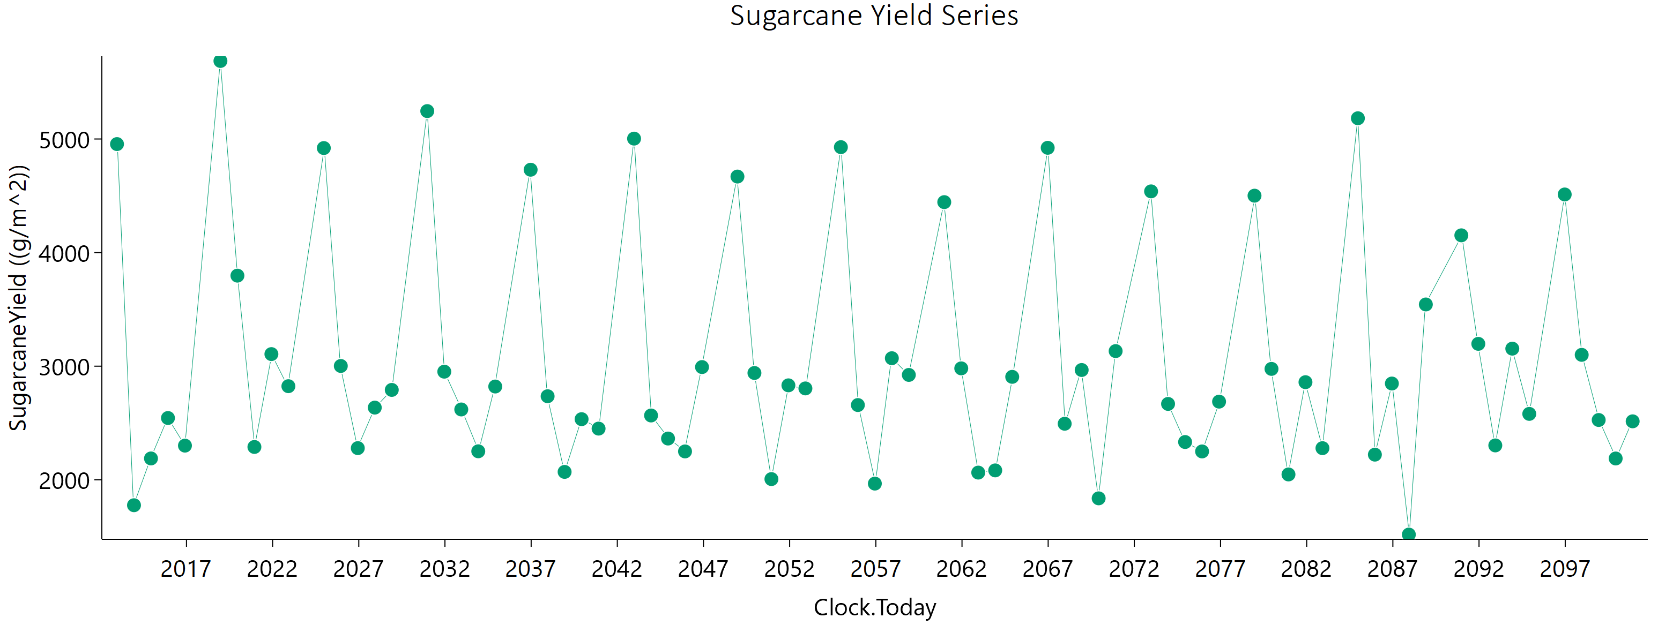
Current | 1 | Sugarcane | 1 | Field | 2015-12-06 | 2543.85 | 1371.88 | 3512.0039442 | 0 | water demand | 0 | mm
Current | 1 | Sugarcane | 1 | Field | 2016-11-30 | 2300.73 | 1068.83 | 3691.6016286 | 0
Current | 1 | Sugarcane | 1 | Field | 2018-12-22 | 5686.9 | 3306.62 | 6000 | 0
Current | 1 | Sugarcane | 1 | Field | 2019-12-17 | 3797.06 | 1971.01 | 5458.6349207 | 0
Current | 1 | Sugarcane | 1 | Field | 2020-12-11 | 2288.96 | 1282.41 | 3011.70047 | 0
Current | 1 | Sugarcane | 1 | Field | 2021-12-06 | 3106.45 | 1713.44 | 4168.4053423 | 0
Current | 1 | Sugarcane | 1 | Field | 2022-12-01 | 2823.96 | 1524.12 | 3892.2074535 | 0
Current | 1 | Sugarcane | 1 | Field | 2024-12-21 | 4920.29 | 3186.28 | 5202.0367126 | 0
Current | 1 | Sugarcane | 1 | Field | 2025-12-16 | 3001.91 | 1704.73 | 3874.6055877 | 0
Current | 1 | Sugarcane | 1 | Field | 2026-12-11 | 2278.81 | 1322.97 | 2852.0609329 | 0
Current | 1 | Sugarcane | 1 | Field | 2027-12-06 | 2635.41 | 1511.52 | 3365.899796 | 0
Current | 1 | Sugarcane | 1 | Field | 2028-11-30 | 2791.15 | 1586.59 | 3608.5247355 | 0
Current | 1 | Sugarcane | 1 | Field | 2030-12-22 | 5245.69 | 3374.69 | 5613.0180536 | 0
Current | 1 | Sugarcane | 1 | Field | 2031-12-18 | 2951.73 | 1676.11 | 3812.0828866 | 0
Current | 1 | Sugarcane | 1 | Field | 2032-12-12 | 2619.06 | 1536.63 | 3232.2711254 | 0
Current | 1 | Sugarcane | 1 | Field | 2033-12-07 | 2250.83 | 1306.16 | 2822.2453474 | 0
Current | 1 | Sugarcane | 1 | Field | 2034-12-02 | 2821.02 | 1611.1 | 3626.8030935 | 0
Current | 1 | Sugarcane | 1 | Field | 2036-12-21 | 4729.5 | 2996.93 | 5197.7040589 | 0
Current | 1 | Sugarcane | 1 | Field | 2037-12-16 | 2735.51 | 1536.73 | 3581.3631264 | 0
Current | 1 | Sugarcane | 1 | Field | 2038-12-11 | 2069.39 | 1191.82 | 2618.4530635 | 0
Current | 1 | Sugarcane | 1 | Field | 2039-12-06 | 2533.68 | 1438.2 | 3279.9151559 | 0
Current | 1 | Sugarcane | 1 | Field | 2040-11-30 | 2450.56 | 1383.79 | 3196.1677353 | 0
Current | 1 | Sugarcane | 1 | Field | 2042-12-22 | 5003.3 | 3181.15 | 5466.4682365 | 0
Current | 1 | Sugarcane | 1 | Field | 2043-12-17 | 2566.05 | 1470.54 | 3269.1198571 | 0
Current | 1 | Sugarcane | 1 | Field | 2044-12-11 | 2363.12 | 1368.69 | 2969.9995134 | 0
Current | 1 | Sugarcane | 1 | Field | 2045-12-06 | 2249.75 | 1276.86 | 2913.3113262 | 0
Current | 1 | Sugarcane | 1 | Field | 2046-12-01 | 2992.33 | 1707.68 | 3850.1978167 | 0
Current | 1 | Sugarcane | 1 | Field | 2048-12-21 | 4669.36 | 2994.77 | 5023.7667424 | 0
Current | 1 | Sugarcane | 1 | Field | 2049-12-16 | 2940.22 | 1713.8 | 3663.9883645 | 0
Current | 1 | Sugarcane | 1 | Field | 2050-12-11 | 2006.15 | 1161.9 | 2518.6758478 | 0
Current | 1 | Sugarcane | 1 | Field | 2051-12-06 | 2831.45 | 1617.15 | 3637.8356352 | 0
Current | 1 | Sugarcane | 1 | Field | 2052-11-30 | 2804.29 | 1613.03 | 3569.5506752 | 0
Current | 1 | Sugarcane | 1 | Field | 2054-12-22 | 4928.29 | 3100.52 | 5483.296693 | 0
Current | 1 | Sugarcane | 1 | Field | 2055-12-17 | 2657.93 | 1553.96 | 3294.8221528 | 0
Current | 1 | Sugarcane | 1 | Field | 2056-12-11 | 1966.43 | 1101.15 | 2583.3360828 | 0
Current | 1 | Sugarcane | 1 | Field | 2057-12-06 | 3070.23 | 1772.88 | 3886.2219143 | 0
Current | 1 | Sugarcane | 1 | Field | 2058-12-01 | 2923.13 | 1707.39 | 3642.1329537 | 0
Current | 1 | Sugarcane | 1 | Field | 2060-12-21 | 4444.24 | 2847 | 4791.6686218 | 0
Current | 1 | Sugarcane | 1 | Field | 2061-12-16 | 2980.77 | 1723.81 | 3761.8925884 | 0
Current | 1 | Sugarcane | 1 | Field | 2062-12-11 | 2063.38 | 1171.34 | 2661.776427 | 0
Current | 1 | Sugarcane | 1 | Field | 2063-12-06 | 2082.7 | 1173.24 | 2719.0911382 | 0
Current | 1 | Sugarcane | 1 | Field | 2064-11-30 | 2906.24 | 1666.28 | 3715.3575668 | 0
Current | 1 | Sugarcane | 1 | Field | 2066-12-22 | 4922.49 | 3048.12 | 5623.10794 | 0
Current | 1 | Sugarcane | 1 | Field | 2067-12-17 | 2493.37 | 1459.3 | 3084.2777713 | 0
Current | 1 | Sugarcane | 1 | Field | 2068-12-11 | 2966.44 | 1710.17 | 3760.5323385 | 0
Current | 1 | Sugarcane | 1 | Field | 2069-12-06 | 1836.64 | 1058.94 | 2321.606642 | 0
Current | 1 | Sugarcane | 1 | Field | 2070-12-01 | 3132.93 | 1813.09 | 3955.7438514 | 0
Current | 1 | Sugarcane | 1 | Field | 2072-12-21 | 4538.97 | 2851.84 | 5061.0605552 | 0
Current | 1 | Sugarcane | 1 | Field | 2073-12-16 | 2667.81 | 1534.47 | 3381.8943359 | 0
Current | 1 | Sugarcane | 1 | Field | 2074-12-12 | 2332.51 | 1335.24 | 2977.5932013 | 0
Current | 1 | Sugarcane | 1 | Field | 2075-12-07 | 2249.61 | 1300.65 | 2837.8345009 | 0
Current | 1 | Sugarcane | 1 | Field | 2076-12-01 | 2687.96 | 1549.82 | 3410.7309301 | 0
Current | 1 | Sugarcane | 1 | Field | 2078-12-22 | 4501.06 | 2877.95 | 4869.3357466 | 0
Current | 1 | Sugarcane | 1 | Field | 2079-12-17 | 2976.24 | 1696.07 | 3821.6007313 | 0
Current | 1 | Sugarcane | 1 | Field | 2080-12-11 | 2046.96 | 1189.89 | 2560.7940399 | 0
Current | 1 | Sugarcane | 1 | Field | 2081-12-06 | 2859.22 | 1623.93 | 3698.802555 | 0
Current | 1 | Sugarcane | 1 | Field | 2082-12-01 | 2278.45 | 1291.17 | 2959.4162942 | 0
Current | 1 | Sugarcane | 1 | Field | 2084-12-21 | 5182.58 | 3173.1 | 6000 | 0
Current | 1 | Sugarcane | 1 | Field | 2085-12-16 | 2221.37 | 1307.52 | 2726.1283017 | 0
Current | 1 | Sugarcane | 1 | Field | 2086-12-11 | 2847.39 | 1626.17 | 3656.0214105 | 0
Current | 1 | Sugarcane | 1 | Field | 2087-12-06 | 1517.69 | 858.78 | 1964.51894 | 0
Current | 1 | Sugarcane | 1 | Field | 2088-11-30 | 3543.38 | 1998.91 | 4628.2475117 | 0
Current | 1 | Sugarcane | 1 | Field | 2090-12-22 | 4151.97 | 2614.35 | 4612.5196783 | 0
Current | 1 | Sugarcane | 1 | Field | 2091-12-17 | 3196.65 | 1719.07 | 4415.6811738 | 0
Current | 1 | Sugarcane | 1 | Field | 2092-12-11 | 2302.55 | 1372.68 | 2775.4084246 | 0
Current | 1 | Sugarcane | 1 | Field | 2093-12-06 | 3154.38 | 1839.01 | 3941.5427252 | 0
Current | 1 | Sugarcane | 1 | Field | 2094-12-01 | 2580.13 | 1503.77 | 3225.2360606 | 0
Current | 1 | Sugarcane | 1 | Field | 2096-12-21 | 4511.72 | 2820.18 | 5074.6081652 | 0
Current | 1 | Sugarcane | 1 | Field | 2097-12-16 | 3099.88 | 1766.43 | 3984.3993535 | 0
Current | 1 | Sugarcane | 1 | Field | 2098-12-11 | 2526.36 | 1531.48 | 2967.8383312 | 0
Current | 1 | Sugarcane | 1 | Field | 2099-12-06 | 2187.53 | 1246.09 | 2815.1491344 | 0
Current | 1 | Sugarcane | 1 | Field | 2100-12-01 | 2514.63 | 1520 | 2979.0928187 | 0

February
CheckpointName | CheckpointID | SimulationName | SimulationID | Zone | Clock.Today | SugarcaneYield | Sugarcane.sucrose_wt | Sugarcane.height | Sugarcane.WaterDemand
Current | 1 | Sugarcane | 1 | Field | 2013-01-21 | 4998.95 | 2997.11 | 6000 | 0 | yield = stem | 209812.68 | g/m^2
Current | 1 | Sugarcane | 1 | Field | 2014-01-16 | 1828.43 | 941.71 | 2649.71677 | 0 | sucrose weight | 120288.92 | g/m^2
Current | 1 | Sugarcane | 1 | Field | 2015-01-11 | 2213.62 | 1174.16 | 3116.7575739 | 0 | height | 267690.66726 | mm
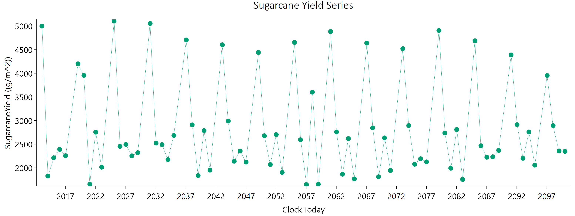
Current | 1 | Sugarcane | 1 | Field | 2016-01-06 | 2391.02 | 1271.77 | 3337.1772113 | 0 | water demand | 0 | mm
Current | 1 | Sugarcane | 1 | Field | 2016-12-31 | 2256.92 | 1203.78 | 3148.9525102 | 0
Current | 1 | Sugarcane | 1 | Field | 2019-01-22 | 4199.89 | 2552.35 | 4942.6029378 | 0
Current | 1 | Sugarcane | 1 | Field | 2020-01-17 | 3957.2 | 2100.03 | 5554.1879354 | 0
Current | 1 | Sugarcane | 1 | Field | 2021-01-11 | 1654.6 | 845.11 | 2426.0402801 | 0
Current | 1 | Sugarcane | 1 | Field | 2022-01-06 | 2755.47 | 1537.12 | 3635.452208 | 0
Current | 1 | Sugarcane | 1 | Field | 2023-01-01 | 2014.33 | 1080.84 | 2791.8611469 | 0
Current | 1 | Sugarcane | 1 | Field | 2025-01-21 | 5104.5 | 3277.78 | 5480.1634348 | 0
Current | 1 | Sugarcane | 1 | Field | 2026-01-16 | 2454.56 | 1336.12 | 3335.6847266 | 0
Current | 1 | Sugarcane | 1 | Field | 2027-01-11 | 2495.18 | 1352.88 | 3410.7631465 | 0
Current | 1 | Sugarcane | 1 | Field | 2028-01-06 | 2254.12 | 1230.63 | 3056.0754926 | 0
Current | 1 | Sugarcane | 1 | Field | 2028-12-31 | 2320.23 | 1253.11 | 3186.5615177 | 0
Current | 1 | Sugarcane | 1 | Field | 2031-01-22 | 5053.68 | 3325.3 | 5185.1226805 | 0
Current | 1 | Sugarcane | 1 | Field | 2032-01-17 | 2524.38 | 1392.33 | 3378.4061973 | 0
Current | 1 | Sugarcane | 1 | Field | 2033-01-11 | 2489.56 | 1370.27 | 3340.1276476 | 0
Current | 1 | Sugarcane | 1 | Field | 2034-01-06 | 2174.83 | 1193.61 | 2926.3126664 | 0
Current | 1 | Sugarcane | 1 | Field | 2035-01-01 | 2685.73 | 1489.39 | 3576.7934847 | 0
Current | 1 | Sugarcane | 1 | Field | 2037-01-21 | 4705.18 | 2926.81 | 5335.0831993 | 0
Current | 1 | Sugarcane | 1 | Field | 2038-01-16 | 2909 | 1593.73 | 3929.516515 | 0
Current | 1 | Sugarcane | 1 | Field | 2039-01-11 | 1837.16 | 982.08 | 2550.2478559 | 0
Current | 1 | Sugarcane | 1 | Field | 2040-01-06 | 2787.09 | 1554.64 | 3682.2391775 | 0
Current | 1 | Sugarcane | 1 | Field | 2040-12-31 | 1952.31 | 1070.94 | 2631.2852208 | 0
Current | 1 | Sugarcane | 1 | Field | 2043-01-22 | 4603.4 | 2995.02 | 4825.1480313 | 0
Current | 1 | Sugarcane | 1 | Field | 2044-01-17 | 2990.31 | 1669.8 | 3948.0039123 | 0
Current | 1 | Sugarcane | 1 | Field | 2045-01-11 | 2140.59 | 1173.15 | 2885.8305591 | 0
Current | 1 | Sugarcane | 1 | Field | 2046-01-06 | 2356.29 | 1270.56 | 3242.9133363 | 0
Current | 1 | Sugarcane | 1 | Field | 2047-01-01 | 2122.11 | 1115.65 | 3007.0117891 | 0
Current | 1 | Sugarcane | 1 | Field | 2049-01-21 | 4440.29 | 2824.79 | 4846.4699341 | 0
Current | 1 | Sugarcane | 1 | Field | 2050-01-16 | 2678.99 | 1509.14 | 3488.2716583 | 0
Current | 1 | Sugarcane | 1 | Field | 2051-01-11 | 2070.49 | 1126.44 | 2816.3748041 | 0
Current | 1 | Sugarcane | 1 | Field | 2052-01-06 | 2702.95 | 1503.82 | 3588.0275766 | 0
Current | 1 | Sugarcane | 1 | Field | 2052-12-31 | 1904.25 | 1062.09 | 2512.3128394 | 0
Current | 1 | Sugarcane | 1 | Field | 2055-01-22 | 4653.37 | 2959.47 | 5081.6871157 | 0
Current | 1 | Sugarcane | 1 | Field | 2056-01-17 | 2594.76 | 1432.01 | 3468.1178413 | 0
Current | 1 | Sugarcane | 1 | Field | 2057-01-11 | 1646.04 | 842.23 | 2399.2649431 | 0
Current | 1 | Sugarcane | 1 | Field | 2058-01-06 | 3600.65 | 2059.83 | 4615.8732205 | 0
Current | 1 | Sugarcane | 1 | Field | 2059-01-01 | 1652.87 | 901.8 | 2238.3498194 | 0
Current | 1 | Sugarcane | 1 | Field | 2061-01-21 | 4882.76 | 3086.05 | 5390.1161157 | 0
Current | 1 | Sugarcane | 1 | Field | 2062-01-16 | 2759.17 | 1584.56 | 3506.3249902 | 0
Current | 1 | Sugarcane | 1 | Field | 2063-01-11 | 1865.86 | 1013.6 | 2539.5009193 | 0
Current | 1 | Sugarcane | 1 | Field | 2064-01-06 | 2619.31 | 1429.47 | 3555.5903004 | 0
Current | 1 | Sugarcane | 1 | Field | 2064-12-31 | 1767.07 | 958.74 | 2411.0262732 | 0
Current | 1 | Sugarcane | 1 | Field | 2067-01-22 | 4638.41 | 2910.39 | 5184.0564671 | 0
Current | 1 | Sugarcane | 1 | Field | 2068-01-17 | 2845.83 | 1561.63 | 3832.5142196 | 0
Current | 1 | Sugarcane | 1 | Field | 2069-01-11 | 1812.11 | 988.07 | 2455.4660521 | 0
Current | 1 | Sugarcane | 1 | Field | 2070-01-06 | 2633.96 | 1463.54 | 3503.0327638 | 0
Current | 1 | Sugarcane | 1 | Field | 2071-01-01 | 1945.28 | 1001.77 | 2817.2301971 | 0
Current | 1 | Sugarcane | 1 | Field | 2073-01-21 | 4520.25 | 2873.1 | 4941.4709039 | 0
Current | 1 | Sugarcane | 1 | Field | 2074-01-16 | 2894.63 | 1595.27 | 3879.0650008 | 0
Current | 1 | Sugarcane | 1 | Field | 2075-01-11 | 2076.2 | 1145.95 | 2772.6178227 | 0
Current | 1 | Sugarcane | 1 | Field | 2076-01-06 | 2192.13 | 1178.29 | 3029.5089996 | 0
Current | 1 | Sugarcane | 1 | Field | 2076-12-31 | 2126.56 | 1164.81 | 2871.721572 | 0
Current | 1 | Sugarcane | 1 | Field | 2079-01-22 | 4904.73 | 3049.32 | 5566.1904605 | 0
Current | 1 | Sugarcane | 1 | Field | 2080-01-17 | 2737.05 | 1534.26 | 3588.1927417 | 0
Current | 1 | Sugarcane | 1 | Field | 2081-01-11 | 1992.04 | 1079.65 | 2724.0278386 | 0
Current | 1 | Sugarcane | 1 | Field | 2082-01-06 | 2810.12 | 1556.08 | 3745.4383938 | 0
Current | 1 | Sugarcane | 1 | Field | 2083-01-01 | 1755.71 | 848.4 | 2710.4616945 | 0
Current | 1 | Sugarcane | 1 | Field | 2085-01-21 | 4686.53 | 2958 | 5185.5886127 | 0
Current | 1 | Sugarcane | 1 | Field | 2086-01-16 | 2467.39 | 1324.64 | 3410.4354793 | 0
Current | 1 | Sugarcane | 1 | Field | 2087-01-11 | 2225.53 | 1191.37 | 3088.3787444 | 0
Current | 1 | Sugarcane | 1 | Field | 2088-01-06 | 2234.13 | 1158.52 | 3212.0492427 | 0
Current | 1 | Sugarcane | 1 | Field | 2088-12-31 | 2369.63 | 1268.77 | 3288.9508478 | 0
Current | 1 | Sugarcane | 1 | Field | 2091-01-22 | 4387.78 | 2665.62 | 5166.3961013 | 0
Current | 1 | Sugarcane | 1 | Field | 2092-01-17 | 2913.8 | 1595.58 | 3936.1829801 | 0
Current | 1 | Sugarcane | 1 | Field | 2093-01-11 | 2202.94 | 1219.85 | 2933.9465043 | 0
Current | 1 | Sugarcane | 1 | Field | 2094-01-06 | 2759.28 | 1540.14 | 3641.6804927 | 0
Current | 1 | Sugarcane | 1 | Field | 2095-01-01 | 2058.18 | 1164.18 | 2665.957782 | 0
Current | 1 | Sugarcane | 1 | Field | 2097-01-21 | 3953.51 | 2482.42 | 4413.2830073 | 0
Current | 1 | Sugarcane | 1 | Field | 2098-01-16 | 2892.68 | 1615.95 | 3810.9071863 | 0
Current | 1 | Sugarcane | 1 | Field | 2099-01-11 | 2357.83 | 1335.6 | 3048.2117283 | 0
Current | 1 | Sugarcane | 1 | Field | 2100-01-06 | 2348.99 | 1245.93 | 3294.3559058 | 0

March
CheckpointName | CheckpointID | SimulationName | SimulationID | Zone | Clock.Today | SugarcaneYield | Sugarcane.sucrose_wt | Sugarcane.height | Sugarcane.WaterDemand
Current | 1 | Sugarcane | 1 | Field | 2013-02-18 | 5071.59 | 2964.68 | 6000 | 0 | yield = stem | 214787.35 | g/m^2
Current | 1 | Sugarcane | 1 | Field | 2014-02-13 | 1865.21 | 932 | 2796.1980567 | 0 | sucrose weight | 121047.26 | g/m^2
Current | 1 | Sugarcane | 1 | Field | 2015-02-08 | 2257.88 | 1186.91 | 3204.2113501 | 0 | height | 278722.85156 | mm
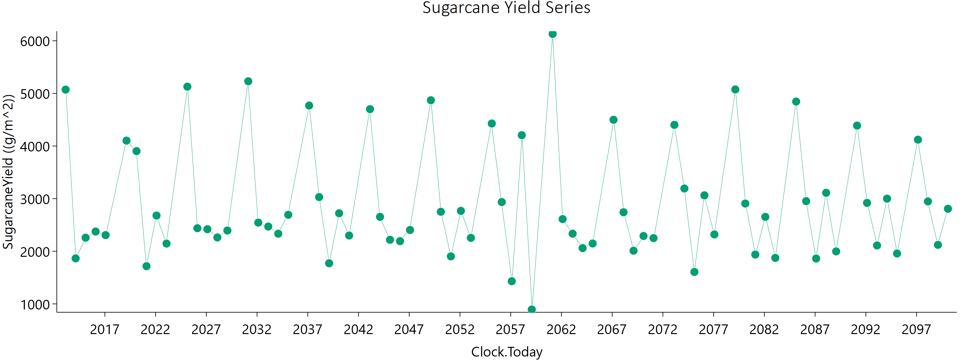
Current | 1 | Sugarcane | 1 | Field | 2016-02-03 | 2375.22 | 1250.27 | 3367.8763507 | 0 | water demand | 0 | mm
Current | 1 | Sugarcane | 1 | Field | 2017-01-28 | 2307.63 | 1184.88 | 3359.5113825 | 0
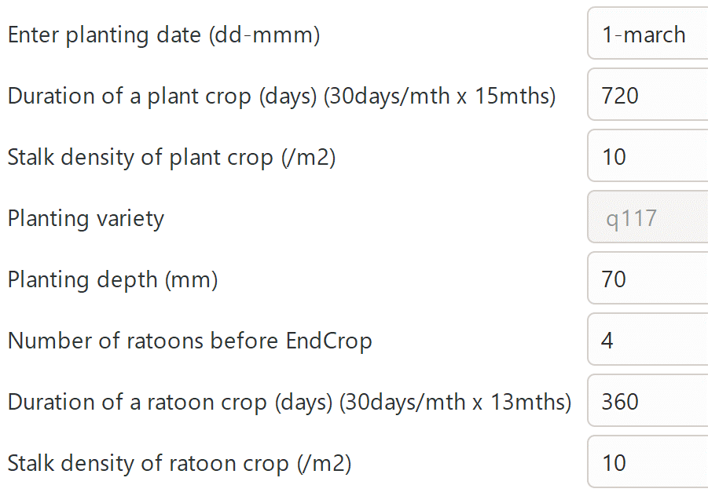
Current | 1 | Sugarcane | 1 | Field | 2019-02-19 | 4102.43 | 2470.98 | 4894.3342198 | 0
Current | 1 | Sugarcane | 1 | Field | 2020-02-14 | 3903.65 | 2002.7 | 5684.0189058 | 0
Current | 1 | Sugarcane | 1 | Field | 2021-02-08 | 1716.65 | 851.34 | 2578.5034519 | 0
Current | 1 | Sugarcane | 1 | Field | 2022-02-03 | 2679.1 | 1456.02 | 3662.3876365 | 0
Current | 1 | Sugarcane | 1 | Field | 2023-01-29 | 2146.12 | 1098.27 | 3123.9222562 | 0
Current | 1 | Sugarcane | 1 | Field | 2025-02-18 | 5128.07 | 3254.34 | 5621.201936 | 0
Current | 1 | Sugarcane | 1 | Field | 2026-02-13 | 2438.23 | 1278.4 | 3455.3389111 | 0
Current | 1 | Sugarcane | 1 | Field | 2027-02-08 | 2419.85 | 1258.77 | 3462.1400749 | 0
Current | 1 | Sugarcane | 1 | Field | 2028-02-03 | 2262.61 | 1196.01 | 3180.1984992 | 0
Current | 1 | Sugarcane | 1 | Field | 2029-01-28 | 2394.1 | 1262.52 | 3376.7327589 | 0
Current | 1 | Sugarcane | 1 | Field | 2031-02-19 | 5230.08 | 3359.45 | 5611.9174367 | 0
Current | 1 | Sugarcane | 1 | Field | 2032-02-14 | 2544.51 | 1346.22 | 3569.0014701 | 0
Current | 1 | Sugarcane | 1 | Field | 2033-02-08 | 2469.74 | 1305.92 | 3470.6002201 | 0
Current | 1 | Sugarcane | 1 | Field | 2034-02-03 | 2333.6 | 1250.43 | 3225.7540504 | 0
Current | 1 | Sugarcane | 1 | Field | 2035-01-29 | 2693.01 | 1453.65 | 3701.6914314 | 0
Current | 1 | Sugarcane | 1 | Field | 2037-02-18 | 4769.16 | 2980.66 | 5365.507974 | 0
Current | 1 | Sugarcane | 1 | Field | 2038-02-13 | 3030.17 | 1617.6 | 4219.7704183 | 0
Current | 1 | Sugarcane | 1 | Field | 2039-02-08 | 1772.09 | 905.42 | 2580.1905256 | 0
Current | 1 | Sugarcane | 1 | Field | 2040-02-03 | 2722.41 | 1468.82 | 3745.7662381 | 0
Current | 1 | Sugarcane | 1 | Field | 2041-01-28 | 2299.33 | 1243.22 | 3149.1372208 | 0
Current | 1 | Sugarcane | 1 | Field | 2043-02-19 | 4700.57 | 3064.65 | 4907.7482036 | 0
Current | 1 | Sugarcane | 1 | Field | 2044-02-14 | 2653.28 | 1391.09 | 3768.2736649 | 0
Current | 1 | Sugarcane | 1 | Field | 2045-02-08 | 2218.55 | 1148 | 3189.2925451 | 0
Current | 1 | Sugarcane | 1 | Field | 2046-02-03 | 2192.82 | 1137.88 | 3145.2833972 | 0
Current | 1 | Sugarcane | 1 | Field | 2047-01-29 | 2404.42 | 1268.22 | 3391.9331795 | 0
Current | 1 | Sugarcane | 1 | Field | 2049-02-18 | 4869.37 | 3039.69 | 5489.0235492 | 0
Current | 1 | Sugarcane | 1 | Field | 2050-02-13 | 2750.83 | 1488.25 | 3761.4078188 | 0
Current | 1 | Sugarcane | 1 | Field | 2051-02-08 | 1903.83 | 967.25 | 2789.4293788 | 0
Current | 1 | Sugarcane | 1 | Field | 2052-02-03 | 2767.69 | 1555.42 | 3629.7350024 | 0
Current | 1 | Sugarcane | 1 | Field | 2053-01-28 | 2254.82 | 1241.43 | 3020.6668038 | 0
Current | 1 | Sugarcane | 1 | Field | 2055-02-19 | 4428 | 2900.09 | 4583.7391886 | 0
Current | 1 | Sugarcane | 1 | Field | 2056-02-14 | 2935.12 | 1580.76 | 4046.2698777 | 0
Current | 1 | Sugarcane | 1 | Field | 2057-02-08 | 1430.9 | 723.56 | 2103.8792901 | 0
Current | 1 | Sugarcane | 1 | Field | 2058-02-03 | 4205.85 | 2357.46 | 5538.4955177 | 0
Current | 1 | Sugarcane | 1 | Field | 2059-01-29 | 893.22 | 445.86 | 1328.8606703 | 0
Current | 1 | Sugarcane | 1 | Field | 2061-02-18 | 6130.15 | 3754.1 | 6000 | 0
Current | 1 | Sugarcane | 1 | Field | 2062-02-13 | 2610.89 | 1429.42 | 3520.9941956 | 0
Current | 1 | Sugarcane | 1 | Field | 2063-02-08 | 2334.34 | 1259.82 | 3198.2884732 | 0
Current | 1 | Sugarcane | 1 | Field | 2064-02-03 | 2060.31 | 1050.79 | 3007.8496917 | 0
Current | 1 | Sugarcane | 1 | Field | 2065-01-28 | 2147.48 | 1148.04 | 2980.3577274 | 0
Current | 1 | Sugarcane | 1 | Field | 2067-02-19 | 4498.47 | 2831.56 | 5000.7241142 | 0
Current | 1 | Sugarcane | 1 | Field | 2068-02-14 | 2741.32 | 1442.46 | 3874.9179253 | 0
Current | 1 | Sugarcane | 1 | Field | 2069-02-08 | 2010.75 | 1060.44 | 2827.5101601 | 0
Current | 1 | Sugarcane | 1 | Field | 2070-02-03 | 2290.68 | 1177.91 | 3319.9570373 | 0
Current | 1 | Sugarcane | 1 | Field | 2071-01-29 | 2250.12 | 1217.94 | 3078.9321487 | 0
Current | 1 | Sugarcane | 1 | Field | 2073-02-18 | 4402.38 | 2733.98 | 5005.2016773 | 0
Current | 1 | Sugarcane | 1 | Field | 2074-02-13 | 3192.66 | 1725.15 | 4378.6688822 | 0
Current | 1 | Sugarcane | 1 | Field | 2075-02-08 | 1606.82 | 806.37 | 2382.8146765 | 0
Current | 1 | Sugarcane | 1 | Field | 2076-02-03 | 3062.91 | 1708.05 | 4056.9523355 | 0
Current | 1 | Sugarcane | 1 | Field | 2077-01-28 | 2320.13 | 1276.83 | 3109.7268564 | 0
Current | 1 | Sugarcane | 1 | Field | 2079-02-19 | 5074.7 | 3115.27 | 5875.6465047 | 0
Current | 1 | Sugarcane | 1 | Field | 2080-02-14 | 2906.65 | 1569.03 | 3985.89348 | 0
Current | 1 | Sugarcane | 1 | Field | 2081-02-08 | 1937.65 | 1004.87 | 2777.8264089 | 0
Current | 1 | Sugarcane | 1 | Field | 2082-02-03 | 2653.2 | 1408.25 | 3716.7788236 | 0
Current | 1 | Sugarcane | 1 | Field | 2083-01-29 | 1873.65 | 971.03 | 2692.7442259 | 0
Current | 1 | Sugarcane | 1 | Field | 2085-02-18 | 4845.02 | 2970.55 | 5623.3774689 | 0
Current | 1 | Sugarcane | 1 | Field | 2086-02-13 | 2952.69 | 1571.72 | 4115.8475877 | 0
Current | 1 | Sugarcane | 1 | Field | 2087-02-08 | 1861.66 | 948.28 | 2720.8639034 | 0
Current | 1 | Sugarcane | 1 | Field | 2088-02-03 | 3110.57 | 1758.62 | 4051.3725886 | 0
Current | 1 | Sugarcane | 1 | Field | 2089-01-28 | 1997.79 | 1089.04 | 2707.6586586 | 0
Current | 1 | Sugarcane | 1 | Field | 2091-02-19 | 4388.18 | 2797.54 | 4771.9205169 | 0
Current | 1 | Sugarcane | 1 | Field | 2092-02-14 | 2919.24 | 1501.34 | 4229.7718837 | 0
Current | 1 | Sugarcane | 1 | Field | 2093-02-08 | 2110.39 | 1136.78 | 2898.987835 | 0
Current | 1 | Sugarcane | 1 | Field | 2094-02-03 | 3000.08 | 1680.58 | 3951.2426563 | 0
Current | 1 | Sugarcane | 1 | Field | 2095-01-29 | 1957.65 | 1065.81 | 2656.8477853 | 0
Current | 1 | Sugarcane | 1 | Field | 2097-02-19 | 4120.76 | 2644.34 | 4429.2684417 | 0
Current | 1 | Sugarcane | 1 | Field | 2098-02-14 | 2947.52 | 1568.38 | 4118.8796524 | 0
Current | 1 | Sugarcane | 1 | Field | 2099-02-09 | 2121.92 | 1142.55 | 2914.4534094 | 0
Current | 1 | Sugarcane | 1 | Field | 2100-02-04 | 2806.91 | 1591.33 | 3640.6229648 | 0

April
CheckpointName | CheckpointID | SimulationName | SimulationID | Zone | Clock.Today | SugarcaneYield | Sugarcane.sucrose_wt | Sugarcane.height | Sugarcane.WaterDemand
Current | 1 | Sugarcane | 1 | Field | 2013-03-21 | 5037.32 | 2912.06 | 6000 | 0 | yield = stem | 230291.79 | g/m^2
Current | 1 | Sugarcane | 1 | Field | 2014-03-16 | 1843.51 | 900.64 | 2819.5036942 | 0 | sucrose weight | 126407.88 | g/m^2
Current | 1 | Sugarcane | 1 | Field | 2015-03-11 | 2249.58 | 1171.53 | 3224.9276278 | 0 | height | 302635.1833 | mm
Current | 1 | Sugarcane | 1 | Field | 2016-03-05 | 2402.66 | 1233.41 | 3496.7456565 | 0 | water demand | 0 | mm
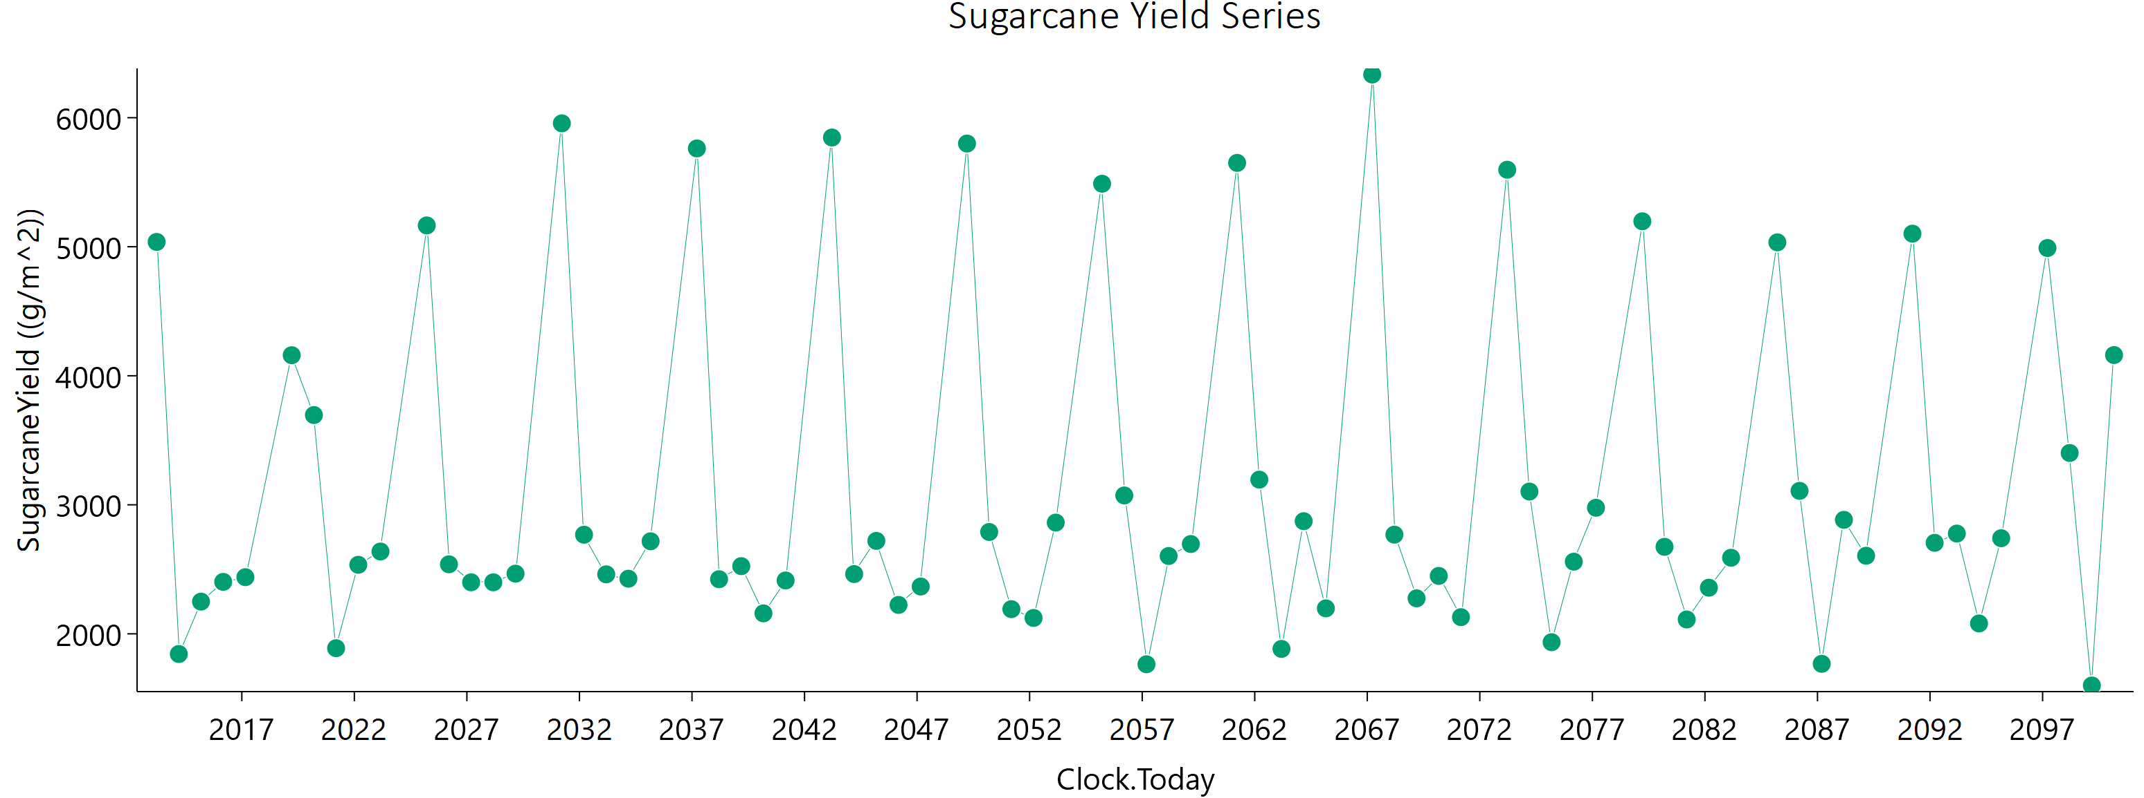
Current | 1 | Sugarcane | 1 | Field | 2017-02-28 | 2439.17 | 1258.74 | 3533.3435912 | 0
Current | 1 | Sugarcane | 1 | Field | 2019-03-22 | 4159.34 | 2409.58 | 5249.29122 | 0
Current | 1 | Sugarcane | 1 | Field | 2020-03-16 | 3695.52 | 1873.26 | 5452.8818674 | 0
Current | 1 | Sugarcane | 1 | Field | 2021-03-11 | 1888.77 | 913.18 | 2910.6225884 | 0
Current | 1 | Sugarcane | 1 | Field | 2022-03-06 | 2535.08 | 1321.33 | 3627.2008705 | 0
Current | 1 | Sugarcane | 1 | Field | 2023-03-01 | 2637.91 | 1356.06 | 3825.9761689 | 0
Current | 1 | Sugarcane | 1 | Field | 2025-03-21 | 5165.14 | 3120.94 | 6000 | 0
Current | 1 | Sugarcane | 1 | Field | 2026-03-16 | 2538.78 | 1305.07 | 3683.0643076 | 0
Current | 1 | Sugarcane | 1 | Field | 2027-03-11 | 2399.36 | 1205.28 | 3559.5619307 | 0
Current | 1 | Sugarcane | 1 | Field | 2028-03-05 | 2399.31 | 1196.74 | 3580.8185651 | 0
Current | 1 | Sugarcane | 1 | Field | 2029-02-28 | 2466.33 | 1278.06 | 3544.2801944 | 0
Current | 1 | Sugarcane | 1 | Field | 2031-03-22 | 5956.44 | 3674.12 | 6000 | 0
Current | 1 | Sugarcane | 1 | Field | 2032-03-16 | 2768.22 | 1429.83 | 3992.4976228 | 0
Current | 1 | Sugarcane | 1 | Field | 2033-03-11 | 2461.25 | 1339.24 | 3355.2038287 | 0
Current | 1 | Sugarcane | 1 | Field | 2034-03-06 | 2427.19 | 1227.51 | 3572.4134392 | 0
Current | 1 | Sugarcane | 1 | Field | 2035-03-01 | 2717.27 | 1413.8 | 3888.8275153 | 0
Current | 1 | Sugarcane | 1 | Field | 2037-03-21 | 5762.01 | 3439.06 | 6000 | 0
Current | 1 | Sugarcane | 1 | Field | 2038-03-16 | 2423.17 | 1207.8 | 3618.0407197 | 0
Current | 1 | Sugarcane | 1 | Field | 2039-03-11 | 2524.5 | 1300.67 | 3651.8480891 | 0
Current | 1 | Sugarcane | 1 | Field | 2040-03-05 | 2158.52 | 1138.9 | 3046.6887964 | 0
Current | 1 | Sugarcane | 1 | Field | 2041-02-28 | 2413.59 | 1214.37 | 3574.1476111 | 0
Current | 1 | Sugarcane | 1 | Field | 2043-03-22 | 5846.54 | 3669.47 | 6000 | 0
Current | 1 | Sugarcane | 1 | Field | 2044-03-16 | 2463.34 | 1275.81 | 3547.1894835 | 0
Current | 1 | Sugarcane | 1 | Field | 2045-03-11 | 2720.27 | 1489.39 | 3685.7904511 | 0
Current | 1 | Sugarcane | 1 | Field | 2046-03-06 | 2224.15 | 1121.61 | 3280.8181217 | 0
Current | 1 | Sugarcane | 1 | Field | 2047-03-01 | 2366.58 | 1198.21 | 3481.966469 | 0
Current | 1 | Sugarcane | 1 | Field | 2049-03-21 | 5799.85 | 3508.52 | 6000 | 0
Current | 1 | Sugarcane | 1 | Field | 2050-03-16 | 2789.29 | 1467.35 | 3947.1537176 | 0
Current | 1 | Sugarcane | 1 | Field | 2051-03-11 | 2191.2 | 1173.68 | 3045.9204745 | 0
Current | 1 | Sugarcane | 1 | Field | 2052-03-05 | 2123.03 | 1061.5 | 3157.3653945 | 0
Current | 1 | Sugarcane | 1 | Field | 2053-02-28 | 2862.06 | 1488.73 | 4101.7494653 | 0
Current | 1 | Sugarcane | 1 | Field | 2055-03-22 | 5488.33 | 3290.92 | 6000 | 0
Current | 1 | Sugarcane | 1 | Field | 2056-03-16 | 3072.44 | 1614.2 | 4350.2250582 | 0
Current | 1 | Sugarcane | 1 | Field | 2057-03-11 | 1764.1 | 859.84 | 2690.7978828 | 0
Current | 1 | Sugarcane | 1 | Field | 2058-03-06 | 2603.13 | 1366.27 | 3698.4841495 | 0
Current | 1 | Sugarcane | 1 | Field | 2059-03-01 | 2696.05 | 1407.3 | 3843.9923697 | 0
Current | 1 | Sugarcane | 1 | Field | 2061-03-21 | 5649.92 | 3384.69 | 6000 | 0
Current | 1 | Sugarcane | 1 | Field | 2062-03-16 | 3195.01 | 1692.23 | 4485.8138448 | 0
Current | 1 | Sugarcane | 1 | Field | 2063-03-11 | 1883.12 | 984.92 | 2682.5755243 | 0
Current | 1 | Sugarcane | 1 | Field | 2064-03-05 | 2873.02 | 1678.08 | 3580.9281168 | 0
Current | 1 | Sugarcane | 1 | Field | 2065-02-28 | 2197.37 | 1111.74 | 3231.5497471 | 0
Current | 1 | Sugarcane | 1 | Field | 2067-03-22 | 6334.84 | 3877.9 | 6000 | 0
Current | 1 | Sugarcane | 1 | Field | 2068-03-16 | 2768.64 | 1401.38 | 4071.9398218 | 0
Current | 1 | Sugarcane | 1 | Field | 2069-03-11 | 2275.04 | 1162.93 | 3314.8783141 | 0
Current | 1 | Sugarcane | 1 | Field | 2070-03-06 | 2448.8 | 1287.35 | 3474.3989737 | 0
Current | 1 | Sugarcane | 1 | Field | 2071-03-01 | 2129.2 | 1148.93 | 2932.1338732 | 0
Current | 1 | Sugarcane | 1 | Field | 2073-03-21 | 5596.82 | 3467.49 | 6000 | 0
Current | 1 | Sugarcane | 1 | Field | 2074-03-16 | 3102.73 | 1649.54 | 4343.9041639 | 0
Current | 1 | Sugarcane | 1 | Field | 2075-03-11 | 1935.08 | 959.7 | 2907.7558941 | 0
Current | 1 | Sugarcane | 1 | Field | 2076-03-05 | 2559.05 | 1308.11 | 3724.4642313 | 0
Current | 1 | Sugarcane | 1 | Field | 2077-02-28 | 2977.07 | 1581.85 | 4162.1983037 | 0
Current | 1 | Sugarcane | 1 | Field | 2079-03-22 | 5197.29 | 3143.61 | 6000 | 0
Current | 1 | Sugarcane | 1 | Field | 2080-03-16 | 2674.38 | 1361.49 | 3912.134252 | 0
Current | 1 | Sugarcane | 1 | Field | 2081-03-11 | 2111.23 | 1075.94 | 3090.6627431 | 0
Current | 1 | Sugarcane | 1 | Field | 2082-03-06 | 2357.54 | 1192.19 | 3470.1860526 | 0
Current | 1 | Sugarcane | 1 | Field | 2083-03-01 | 2589.73 | 1477.62 | 3332.1906285 | 0
Current | 1 | Sugarcane | 1 | Field | 2085-03-21 | 5034.09 | 2871.4 | 6000 | 0
Current | 1 | Sugarcane | 1 | Field | 2086-03-16 | 3108.01 | 1596.9 | 4514.5281464 | 0
Current | 1 | Sugarcane | 1 | Field | 2087-03-11 | 1767.58 | 865.92 | 2684.0644954 | 0
Current | 1 | Sugarcane | 1 | Field | 2088-03-05 | 2883.55 | 1667.01 | 3646.4704079 | 0
Current | 1 | Sugarcane | 1 | Field | 2089-02-28 | 2605.14 | 1383.28 | 3640.3325807 | 0
Current | 1 | Sugarcane | 1 | Field | 2091-03-22 | 5101.33 | 3006.98 | 6000 | 0
Current | 1 | Sugarcane | 1 | Field | 2092-03-16 | 2705.34 | 1354.04 | 4027.936046 | 0
Current | 1 | Sugarcane | 1 | Field | 2093-03-11 | 2777.13 | 1455.86 | 3937.1377371 | 0
Current | 1 | Sugarcane | 1 | Field | 2094-03-06 | 2080.42 | 1065.34 | 3019.9211885 | 0
Current | 1 | Sugarcane | 1 | Field | 2095-03-01 | 2741.08 | 1442.13 | 3871.1260801 | 0
Current | 1 | Sugarcane | 1 | Field | 2097-03-21 | 4990.08 | 2944.94 | 6000 | 0
Current | 1 | Sugarcane | 1 | Field | 2098-03-16 | 3401.65 | 1721.05 | 5018.7935727 | 0
Current | 1 | Sugarcane | 1 | Field | 2099-03-11 | 1599.6 | 897.14 | 2104.9457174 | 0
Current | 1 | Sugarcane | 1 | Field | 2100-03-06 | 4160.61 | 2354.22 | 5412.8738991 | 0

May
CheckpointName | CheckpointID | SimulationName | SimulationID | Zone | Clock.Today | SugarcaneYield | Sugarcane.sucrose_wt | Sugarcane.height | Sugarcane.WaterDemand
Current | 1 | Sugarcane | 1 | Field | 2013-04-20 | 4965.58 | 2872.06 | 6000 | 0 | yield = stem | 236168.28 | g/m^2
Current | 1 | Sugarcane | 1 | Field | 2014-04-15 | 1760.86 | 822.63 | 2806.8947501 | 0 | sucrose weight | 132128.28 | g/m^2
Current | 1 | Sugarcane | 1 | Field | 2015-04-10 | 2098.42 | 1049.88 | 3136.8406753 | 0 | height | 306031.64306 | mm
Current | 1 | Sugarcane | 1 | Field | 2016-04-04 | 2281.22 | 1142.14 | 3413.1435106 | 0 | water demand | 0 | mm
Current | 1 | Sugarcane | 1 | Field | 2017-03-30 | 2446.05 | 1231.31 | 3631.7400707 | 0
Current | 1 | Sugarcane | 1 | Field | 2019-04-21 | 4861.49 | 2725.11 | 6000 | 0
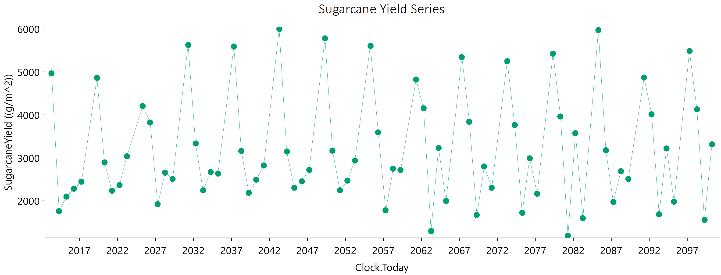
Current | 1 | Sugarcane | 1 | Field | 2020-04-15 | 2893.75 | 1405.78 | 4438.5741177 | 0
Current | 1 | Sugarcane | 1 | Field | 2021-04-10 | 2236.23 | 1093.07 | 3421.3177519 | 0
Current | 1 | Sugarcane | 1 | Field | 2022-04-05 | 2366.28 | 1159.76 | 3588.5110049 | 0
Current | 1 | Sugarcane | 1 | Field | 2023-03-31 | 3037.37 | 1645.85 | 4161.6546971 | 0
Current | 1 | Sugarcane | 1 | Field | 2025-04-20 | 4205.37 | 2745.73 | 4378.9186986 | 0
Current | 1 | Sugarcane | 1 | Field | 2026-04-15 | 3822.67 | 2116.45 | 5106.135544 | 0
Current | 1 | Sugarcane | 1 | Field | 2027-04-10 | 1920.52 | 1020.94 | 2690.4532291 | 0
Current | 1 | Sugarcane | 1 | Field | 2028-04-04 | 2654.21 | 1331.02 | 3947.7297629 | 0
Current | 1 | Sugarcane | 1 | Field | 2029-03-30 | 2509.27 | 1347.48 | 3475.5449485 | 0
Current | 1 | Sugarcane | 1 | Field | 2031-04-21 | 5626.84 | 3562.84 | 6000 | 0
Current | 1 | Sugarcane | 1 | Field | 2032-04-15 | 3334.18 | 1770.7 | 4674.5252895 | 0
Current | 1 | Sugarcane | 1 | Field | 2033-04-10 | 2243.19 | 1281.32 | 2880.9665432 | 0
Current | 1 | Sugarcane | 1 | Field | 2034-04-05 | 2668.82 | 1391.2 | 3815.5397038 | 0
Current | 1 | Sugarcane | 1 | Field | 2035-03-31 | 2634 | 1387.32 | 3726.218204 | 0
Current | 1 | Sugarcane | 1 | Field | 2037-04-20 | 5590.42 | 3451.34 | 6000 | 0
Current | 1 | Sugarcane | 1 | Field | 2038-04-15 | 3161.25 | 1571.3 | 4746.8663458 | 0
Current | 1 | Sugarcane | 1 | Field | 2039-04-10 | 2185.68 | 1224.51 | 2878.4242159 | 0
Current | 1 | Sugarcane | 1 | Field | 2040-04-04 | 2492.8 | 1404.24 | 3259.0186536 | 0
Current | 1 | Sugarcane | 1 | Field | 2041-03-30 | 2823.03 | 1590.94 | 3691.1769197 | 0
Current | 1 | Sugarcane | 1 | Field | 2043-04-21 | 5999.77 | 3758.57 | 6000 | 0
Current | 1 | Sugarcane | 1 | Field | 2044-04-15 | 3147.67 | 1734.11 | 4230.9744145 | 0
Current | 1 | Sugarcane | 1 | Field | 2045-04-10 | 2305.79 | 1279.87 | 3072.3250945 | 0
Current | 1 | Sugarcane | 1 | Field | 2046-04-05 | 2453.26 | 1280.18 | 3507.5286527 | 0
Current | 1 | Sugarcane | 1 | Field | 2047-03-31 | 2720.74 | 1457.83 | 3779.6437226 | 0
Current | 1 | Sugarcane | 1 | Field | 2049-04-20 | 5780.66 | 3480.7 | 6000 | 0
Current | 1 | Sugarcane | 1 | Field | 2050-04-15 | 3168.1 | 1747.39 | 4250.8764118 | 0
Current | 1 | Sugarcane | 1 | Field | 2051-04-10 | 2245.52 | 1266.16 | 2933.7455354 | 0
Current | 1 | Sugarcane | 1 | Field | 2052-04-04 | 2470.53 | 1272.43 | 3579.8290746 | 0
Current | 1 | Sugarcane | 1 | Field | 2053-03-30 | 2937.75 | 1732.9 | 3609.9600213 | 0
Current | 1 | Sugarcane | 1 | Field | 2055-04-21 | 5608.29 | 3422.79 | 6000 | 0
Current | 1 | Sugarcane | 1 | Field | 2056-04-15 | 3592.32 | 1856.59 | 5188.7063751 | 0
Current | 1 | Sugarcane | 1 | Field | 2057-04-10 | 1778.81 | 901.45 | 2623.3761773 | 0
Current | 1 | Sugarcane | 1 | Field | 2058-04-05 | 2749.04 | 1501.52 | 3732.6617605 | 0
Current | 1 | Sugarcane | 1 | Field | 2059-03-31 | 2717.78 | 1504.4 | 3632.2465427 | 0
Current | 1 | Sugarcane | 1 | Field | 2061-04-20 | 4821.96 | 3055.06 | 5300.7016182 | 0
Current | 1 | Sugarcane | 1 | Field | 2062-04-15 | 4153.08 | 2383.46 | 5299.3325588 | 0
Current | 1 | Sugarcane | 1 | Field | 2063-04-11 | 1297.04 | 624.14 | 2009.0070205 | 0
Current | 1 | Sugarcane | 1 | Field | 2064-04-05 | 3232.83 | 1772.64 | 4369.7698325 | 0
Current | 1 | Sugarcane | 1 | Field | 2065-03-31 | 1996.75 | 1068.34 | 2777.1780333 | 0
Current | 1 | Sugarcane | 1 | Field | 2067-04-21 | 5342.27 | 3352.71 | 5968.665865 | 0
Current | 1 | Sugarcane | 1 | Field | 2068-04-15 | 3840.43 | 2012.97 | 5463.175523 | 0
Current | 1 | Sugarcane | 1 | Field | 2069-04-10 | 1671.98 | 916.67 | 2259.9008091 | 0
Current | 1 | Sugarcane | 1 | Field | 2070-04-05 | 2799.4 | 1473.53 | 3965.2622701 | 0
Current | 1 | Sugarcane | 1 | Field | 2071-03-31 | 2304.46 | 1307.74 | 2986.9410374 | 0
Current | 1 | Sugarcane | 1 | Field | 2073-04-20 | 5249.02 | 3234.62 | 6000 | 0
Current | 1 | Sugarcane | 1 | Field | 2074-04-15 | 3765.36 | 1999.49 | 5285.3137666 | 0
Current | 1 | Sugarcane | 1 | Field | 2075-04-10 | 1721.98 | 919.58 | 2398.8113811 | 0
Current | 1 | Sugarcane | 1 | Field | 2076-04-04 | 2988.3 | 1513.07 | 4400.4529233 | 0
Current | 1 | Sugarcane | 1 | Field | 2077-03-30 | 2165.43 | 1138.74 | 3069.9208242 | 0
Current | 1 | Sugarcane | 1 | Field | 2079-04-21 | 5423.41 | 3357.82 | 6000 | 0
Current | 1 | Sugarcane | 1 | Field | 2080-04-15 | 3962.33 | 2120.75 | 5510.2233056 | 0
Current | 1 | Sugarcane | 1 | Field | 2081-04-10 | 1187.32 | 517.56 | 1998.2921726 | 0
Current | 1 | Sugarcane | 1 | Field | 2082-04-05 | 3573.39 | 2014.59 | 4670.0044919 | 0
Current | 1 | Sugarcane | 1 | Field | 2083-03-31 | 1596.66 | 838.67 | 2265.5877237 | 0
Current | 1 | Sugarcane | 1 | Field | 2085-04-20 | 5970.48 | 3544.24 | 6000 | 0
Current | 1 | Sugarcane | 1 | Field | 2086-04-15 | 3176.96 | 1674.94 | 4493.2214305 | 0
Current | 1 | Sugarcane | 1 | Field | 2087-04-10 | 1975.51 | 1068.76 | 2715.3564246 | 0
Current | 1 | Sugarcane | 1 | Field | 2088-04-04 | 2690.37 | 1473.71 | 3644.1378011 | 0
Current | 1 | Sugarcane | 1 | Field | 2089-03-30 | 2508.09 | 1282.58 | 3657.2321031 | 0
Current | 1 | Sugarcane | 1 | Field | 2091-04-21 | 4868.45 | 2926.62 | 5825.4743757 | 0
Current | 1 | Sugarcane | 1 | Field | 2092-04-15 | 4013.29 | 2123.76 | 5658.463467 | 0
Current | 1 | Sugarcane | 1 | Field | 2093-04-10 | 1686.99 | 843.08 | 2517.0014606 | 0
Current | 1 | Sugarcane | 1 | Field | 2094-04-05 | 3218.63 | 1727.74 | 4455.8736205 | 0
Current | 1 | Sugarcane | 1 | Field | 2095-03-31 | 1978.42 | 1000.44 | 2912.2215206 | 0
Current | 1 | Sugarcane | 1 | Field | 2097-04-20 | 5487.15 | 3348.92 | 6000 | 0
Current | 1 | Sugarcane | 1 | Field | 2098-04-15 | 4130.11 | 2142.72 | 5947.8006693 | 0
Current | 1 | Sugarcane | 1 | Field | 2099-04-10 | 1559.56 | 861.59 | 2090.1127743 | 0
Current | 1 | Sugarcane | 1 | Field | 2100-04-05 | 3315.34 | 1945.22 | 4104.1378378 | 0

June
CheckpointName | CheckpointID | SimulationName | SimulationID | Zone | Clock.Today | SugarcaneYield | Sugarcane.sucrose_wt | Sugarcane.height | Sugarcane.WaterDemand
Current | 1 | Sugarcane | 1 | Field | 2013-05-21 | 5478.96 | 3081.44 | 6000 | 0 | yield = stem | 244220.7 | g/m^2
Current | 1 | Sugarcane | 1 | Field | 2014-05-16 | 1518.93 | 699.23 | 2456.4941581 | 0 | sucrose weight | 137416.88 | g/m^2
Current | 1 | Sugarcane | 1 | Field | 2015-05-11 | 2043.76 | 999.03 | 3130.5395266 | 0 | height | 305016.43429 | mm
Current | 1 | Sugarcane | 1 | Field | 2016-05-05 | 1994.07 | 945.63 | 3142.3569356 | 0 | water demand | 0 | mm
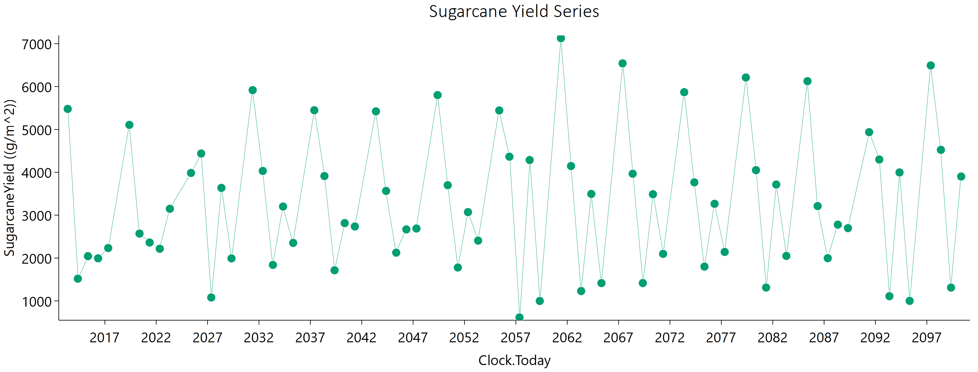
Current | 1 | Sugarcane | 1 | Field | 2017-04-30 | 2233.52 | 1076.3 | 3462.8004764 | 0
Current | 1 | Sugarcane | 1 | Field | 2019-05-22 | 5106.74 | 2948.29 | 6000 | 0
Current | 1 | Sugarcane | 1 | Field | 2020-05-16 | 2570.71 | 1239.04 | 3991.7831561 | 0
Current | 1 | Sugarcane | 1 | Field | 2021-05-11 | 2362.72 | 1172.21 | 3566.7780602 | 0
Current | 1 | Sugarcane | 1 | Field | 2022-05-06 | 2216.76 | 1084.71 | 3385.0236809 | 0
Current | 1 | Sugarcane | 1 | Field | 2023-05-01 | 3149.61 | 1782.25 | 4094.981417 | 0
Current | 1 | Sugarcane | 1 | Field | 2025-05-21 | 3985.15 | 2666.08 | 3957.2292927 | 0
Current | 1 | Sugarcane | 1 | Field | 2026-05-16 | 4438.42 | 2510.63 | 5770.560778 | 0
Current | 1 | Sugarcane | 1 | Field | 2027-05-11 | 1079.69 | 450.58 | 1861.4253837 | 0
Current | 1 | Sugarcane | 1 | Field | 2028-05-05 | 3636.68 | 2030.53 | 4805.5206996 | 0
Current | 1 | Sugarcane | 1 | Field | 2029-04-30 | 1991.55 | 1002.62 | 2961.5332975 | 0
Current | 1 | Sugarcane | 1 | Field | 2031-05-22 | 5917.29 | 3740.53 | 6000 | 0
Current | 1 | Sugarcane | 1 | Field | 2032-05-16 | 4032.77 | 2193.79 | 5500.7079231 | 0
Current | 1 | Sugarcane | 1 | Field | 2033-05-11 | 1839.99 | 936.15 | 2705.1012704 | 0
Current | 1 | Sugarcane | 1 | Field | 2034-05-06 | 3201.83 | 1800.35 | 4192.9602238 | 0
Current | 1 | Sugarcane | 1 | Field | 2035-05-01 | 2353.47 | 1364.04 | 2963.9411948 | 0
Current | 1 | Sugarcane | 1 | Field | 2037-05-21 | 5448.16 | 3431.24 | 6000 | 0
Current | 1 | Sugarcane | 1 | Field | 2038-05-16 | 3913.24 | 2032.81 | 5625.5417642 | 0
Current | 1 | Sugarcane | 1 | Field | 2039-05-11 | 1715.34 | 822.9 | 2668.617775 | 0
Current | 1 | Sugarcane | 1 | Field | 2040-05-06 | 2815.34 | 1684.34 | 3386.108498 | 0
Current | 1 | Sugarcane | 1 | Field | 2041-05-01 | 2736.44 | 1619.31 | 3346.7556197 | 0
Current | 1 | Sugarcane | 1 | Field | 2043-05-22 | 5421.89 | 3521.48 | 5701.2094013 | 0
Current | 1 | Sugarcane | 1 | Field | 2044-05-16 | 3565.76 | 2033.04 | 4580.113564 | 0
Current | 1 | Sugarcane | 1 | Field | 2045-05-11 | 2126.37 | 1255.07 | 2608.526694 | 0
Current | 1 | Sugarcane | 1 | Field | 2046-05-06 | 2668.21 | 1521.63 | 3433.3562993 | 0
Current | 1 | Sugarcane | 1 | Field | 2047-05-01 | 2689.35 | 1593.86 | 3281.9774022 | 0
Current | 1 | Sugarcane | 1 | Field | 2049-05-21 | 5801.95 | 3573.63 | 6000 | 0
Current | 1 | Sugarcane | 1 | Field | 2050-05-16 | 3699.44 | 2085.92 | 4822.3432325 | 0
Current | 1 | Sugarcane | 1 | Field | 2051-05-11 | 1779.59 | 899.52 | 2634.1009565 | 0
Current | 1 | Sugarcane | 1 | Field | 2052-05-05 | 3071.57 | 1762.28 | 3917.9829413 | 0
Current | 1 | Sugarcane | 1 | Field | 2053-04-30 | 2406.87 | 1340.24 | 3192.4645509 | 0
Current | 1 | Sugarcane | 1 | Field | 2055-05-22 | 5443.73 | 3421.87 | 6000 | 0
Current | 1 | Sugarcane | 1 | Field | 2056-05-16 | 4364.33 | 2418.63 | 5823.192221 | 0
Current | 1 | Sugarcane | 1 | Field | 2057-05-11 | 614.94 | 250.39 | 1076.226452 | 0
Current | 1 | Sugarcane | 1 | Field | 2058-05-06 | 4286.75 | 2467.59 | 5447.0645133 | 0
Current | 1 | Sugarcane | 1 | Field | 2059-05-01 | 998.93 | 510.59 | 1463.2499469 | 0
Current | 1 | Sugarcane | 1 | Field | 2061-05-21 | 7129.74 | 4202.63 | 6000 | 0
Current | 1 | Sugarcane | 1 | Field | 2062-05-16 | 4146.6 | 2183.93 | 5870.7937096 | 0
Current | 1 | Sugarcane | 1 | Field | 2063-05-12 | 1230.16 | 557.18 | 2001.852503 | 0
Current | 1 | Sugarcane | 1 | Field | 2064-05-06 | 3496.19 | 2018 | 4424.9128702 | 0
Current | 1 | Sugarcane | 1 | Field | 2065-05-01 | 1415.91 | 627.65 | 2357.920522 | 0
Current | 1 | Sugarcane | 1 | Field | 2067-05-22 | 6541.56 | 3906.34 | 6000 | 0
Current | 1 | Sugarcane | 1 | Field | 2068-05-16 | 3966.53 | 2011.75 | 5841.4836417 | 0
Current | 1 | Sugarcane | 1 | Field | 2069-05-11 | 1416.7 | 724.85 | 2069.1195128 | 0
Current | 1 | Sugarcane | 1 | Field | 2070-05-06 | 3489.34 | 1948.39 | 4612.8453656 | 0
Current | 1 | Sugarcane | 1 | Field | 2071-05-01 | 2097.64 | 1255.44 | 2522.8235914 | 0
Current | 1 | Sugarcane | 1 | Field | 2073-05-21 | 5869.36 | 3526.97 | 6000 | 0
Current | 1 | Sugarcane | 1 | Field | 2074-05-16 | 3765.79 | 2080.36 | 5042.2701505 | 0
Current | 1 | Sugarcane | 1 | Field | 2075-05-11 | 1800.65 | 992.09 | 2417.2071406 | 0
Current | 1 | Sugarcane | 1 | Field | 2076-05-05 | 3265.33 | 1728.68 | 4594.5499621 | 0
Current | 1 | Sugarcane | 1 | Field | 2077-04-30 | 2142.97 | 1244.01 | 2692.5469304 | 0
Current | 1 | Sugarcane | 1 | Field | 2079-05-22 | 6211.46 | 3700.08 | 6000 | 0
Current | 1 | Sugarcane | 1 | Field | 2080-05-16 | 4050.31 | 2067.94 | 5927.9415228 | 0
Current | 1 | Sugarcane | 1 | Field | 2081-05-11 | 1311.96 | 599.71 | 2126.8091409 | 0
Current | 1 | Sugarcane | 1 | Field | 2082-05-06 | 3715.39 | 2072.88 | 4916.7189801 | 0
Current | 1 | Sugarcane | 1 | Field | 2083-05-01 | 2049.48 | 1178.59 | 2607.7269749 | 0
Current | 1 | Sugarcane | 1 | Field | 2085-05-21 | 6126 | 3461.95 | 6000 | 0
Current | 1 | Sugarcane | 1 | Field | 2086-05-16 | 3212.9 | 1790.36 | 4254.0072589 | 0
Current | 1 | Sugarcane | 1 | Field | 2087-05-11 | 1997.03 | 1164.65 | 2492.9138923 | 0
Current | 1 | Sugarcane | 1 | Field | 2088-05-05 | 2779.24 | 1586.79 | 3568.7024693 | 0
Current | 1 | Sugarcane | 1 | Field | 2089-04-30 | 2698.06 | 1538.2 | 3473.8352301 | 0
Current | 1 | Sugarcane | 1 | Field | 2091-05-22 | 4936.99 | 2970.13 | 5900.5675247 | 0
Current | 1 | Sugarcane | 1 | Field | 2092-05-16 | 4299.02 | 2277.8 | 6000 | 0
Current | 1 | Sugarcane | 1 | Field | 2093-05-11 | 1110.28 | 430.86 | 2013.9196599 | 0
Current | 1 | Sugarcane | 1 | Field | 2094-05-06 | 3996.75 | 2172.18 | 5460.8575188 | 0
Current | 1 | Sugarcane | 1 | Field | 2095-05-01 | 1000.94 | 399.3 | 1782.4954597 | 0
Current | 1 | Sugarcane | 1 | Field | 2097-05-21 | 6493.19 | 3799.53 | 6000 | 0
Current | 1 | Sugarcane | 1 | Field | 2098-05-16 | 4523.62 | 2386.4 | 6000 | 0
Current | 1 | Sugarcane | 1 | Field | 2099-05-11 | 1310.69 | 642.05 | 1989.7303745 | 0
Current | 1 | Sugarcane | 1 | Field | 2100-05-06 | 3902.1 | 2199.44 | 5093.3130796 | 0

July
CheckpointName | CheckpointID | SimulationName | SimulationID | Zone | Clock.Today | SugarcaneYield | Sugarcane.sucrose_wt | Sugarcane.height | Sugarcane.WaterDemand
Current | 1 | Sugarcane | 1 | Field | 2013-06-21 | 5581.84 | 2996.11 | 6000 | 0 | yield = stem | 241730.23 | g/m^2
Current | 1 | Sugarcane | 1 | Field | 2014-06-16 | 1702.83 | 783.08 | 2739.4485434 | 0 | sucrose weight | 135583.31 | g/m^2
Current | 1 | Sugarcane | 1 | Field | 2015-06-11 | 1972.61 | 987.53 | 2951.2304402 | 0 | height | 299971.41337 | mm
Current | 1 | Sugarcane | 1 | Field | 2016-06-05 | 1858.92 | 885.84 | 2915.5528152 | 0 | water demand | 0 | mm
Current | 1 | Sugarcane | 1 | Field | 2017-05-31 | 2190.76 | 1114.78 | 3205.2517709 | 0
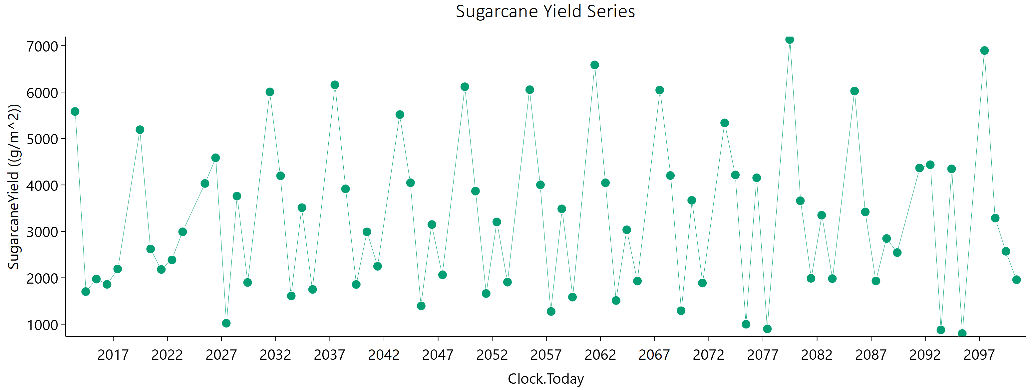
Current | 1 | Sugarcane | 1 | Field | 2019-06-21 | 5189.56 | 2883.3 | 6000 | 0
Current | 1 | Sugarcane | 1 | Field | 2020-06-15 | 2620.97 | 1308.89 | 3913.5670196 | 0
Current | 1 | Sugarcane | 1 | Field | 2021-06-10 | 2179.73 | 1097.46 | 3223.8049459 | 0
Current | 1 | Sugarcane | 1 | Field | 2022-06-05 | 2384.74 | 1140.33 | 3707.4378762 | 0
Current | 1 | Sugarcane | 1 | Field | 2023-05-31 | 2989.94 | 1769.97 | 3647.2617383 | 0
Current | 1 | Sugarcane | 1 | Field | 2025-06-20 | 4031.79 | 2685.1 | 4040.0392407 | 0
Current | 1 | Sugarcane | 1 | Field | 2026-06-15 | 4585.27 | 2591.8 | 5961.8006337 | 0
Current | 1 | Sugarcane | 1 | Field | 2027-06-10 | 1021.62 | 442.09 | 1714.2036364 | 0
Current | 1 | Sugarcane | 1 | Field | 2028-06-04 | 3759.87 | 2121.12 | 4901.3403204 | 0
Current | 1 | Sugarcane | 1 | Field | 2029-05-30 | 1899.03 | 931.66 | 2884.3154049 | 0
Current | 1 | Sugarcane | 1 | Field | 2031-06-21 | 6003.41 | 3793.52 | 6000 | 0
Current | 1 | Sugarcane | 1 | Field | 2032-06-15 | 4197.63 | 2321.39 | 5608.8837491 | 0
Current | 1 | Sugarcane | 1 | Field | 2033-06-10 | 1609.55 | 730.92 | 2618.7538958 | 0
Current | 1 | Sugarcane | 1 | Field | 2034-06-05 | 3509.78 | 2051.29 | 4355.0119476 | 0
Current | 1 | Sugarcane | 1 | Field | 2035-05-31 | 1750.05 | 857.4 | 2661.6593539 | 0
Current | 1 | Sugarcane | 1 | Field | 2037-06-20 | 6155.96 | 3785.51 | 6000 | 0
Current | 1 | Sugarcane | 1 | Field | 2038-06-15 | 3915.68 | 2053.09 | 5565.4148006 | 0
Current | 1 | Sugarcane | 1 | Field | 2039-06-11 | 1856.18 | 920.89 | 2796.6520275 | 0
Current | 1 | Sugarcane | 1 | Field | 2040-06-05 | 2988.26 | 1817.91 | 3485.9755315 | 0
Current | 1 | Sugarcane | 1 | Field | 2041-05-31 | 2248.02 | 1257.93 | 2957.3321025 | 0
Current | 1 | Sugarcane | 1 | Field | 2043-06-21 | 5514.84 | 3595.26 | 5758.7365269 | 0
Current | 1 | Sugarcane | 1 | Field | 2044-06-15 | 4048.07 | 2326.83 | 5140.188384 | 0
Current | 1 | Sugarcane | 1 | Field | 2045-06-10 | 1395.31 | 561.52 | 2474.3032652 | 0
Current | 1 | Sugarcane | 1 | Field | 2046-06-05 | 3146.88 | 1865.22 | 3828.1212446 | 0
Current | 1 | Sugarcane | 1 | Field | 2047-05-31 | 2065.61 | 1031.86 | 3081.2227671 | 0
Current | 1 | Sugarcane | 1 | Field | 2049-06-20 | 6114.59 | 3757.67 | 6000 | 0
Current | 1 | Sugarcane | 1 | Field | 2050-06-15 | 3866.69 | 2186.3 | 5019.0706114 | 0
Current | 1 | Sugarcane | 1 | Field | 2051-06-10 | 1661.57 | 738.64 | 2746.3439313 | 0
Current | 1 | Sugarcane | 1 | Field | 2052-06-04 | 3202.34 | 1898.99 | 3887.8865871 | 0
Current | 1 | Sugarcane | 1 | Field | 2053-05-30 | 1906.17 | 971.27 | 2793.4948622 | 0
Current | 1 | Sugarcane | 1 | Field | 2055-06-21 | 6051.15 | 3730.91 | 6000 | 0
Current | 1 | Sugarcane | 1 | Field | 2056-06-15 | 4003.62 | 2153.05 | 5531.7517167 | 0
Current | 1 | Sugarcane | 1 | Field | 2057-06-10 | 1274.63 | 514.53 | 2252.9747697 | 0
Current | 1 | Sugarcane | 1 | Field | 2058-06-05 | 3484.41 | 2073.15 | 4214.8303913 | 0
Current | 1 | Sugarcane | 1 | Field | 2059-05-31 | 1583.76 | 758.69 | 2443.4176301 | 0
Current | 1 | Sugarcane | 1 | Field | 2061-06-20 | 6584.54 | 3906.84 | 6000 | 0
Current | 1 | Sugarcane | 1 | Field | 2062-06-16 | 4046.81 | 2095.29 | 5832.633098 | 0
Current | 1 | Sugarcane | 1 | Field | 2063-06-11 | 1511.01 | 681.71 | 2466.0481674 | 0
Current | 1 | Sugarcane | 1 | Field | 2064-06-05 | 3033.75 | 1825.3 | 3608.669362 | 0
Current | 1 | Sugarcane | 1 | Field | 2065-05-31 | 1929.6 | 947.77 | 2914.8421154 | 0
Current | 1 | Sugarcane | 1 | Field | 2067-06-21 | 6042.01 | 3731.24 | 6000 | 0
Current | 1 | Sugarcane | 1 | Field | 2068-06-15 | 4202.36 | 2208.26 | 5955.9735775 | 0
Current | 1 | Sugarcane | 1 | Field | 2069-06-10 | 1289.75 | 573.59 | 2127.0468677 | 0
Current | 1 | Sugarcane | 1 | Field | 2070-06-05 | 3668.39 | 2115.77 | 4632.3095039 | 0
Current | 1 | Sugarcane | 1 | Field | 2071-05-31 | 1887.2 | 1021.39 | 2580.0361467 | 0
Current | 1 | Sugarcane | 1 | Field | 2073-06-20 | 5336.67 | 3349.73 | 5960.7579986 | 0
Current | 1 | Sugarcane | 1 | Field | 2074-06-15 | 4215.7 | 2374.3 | 5500.2032452 | 0
Current | 1 | Sugarcane | 1 | Field | 2075-06-10 | 1000.14 | 427.51 | 1694.3392083 | 0
Current | 1 | Sugarcane | 1 | Field | 2076-06-04 | 4154.49 | 2284.19 | 5593.6903731 | 0
Current | 1 | Sugarcane | 1 | Field | 2077-05-30 | 899.32 | 414.24 | 1431.9739364 | 0
Current | 1 | Sugarcane | 1 | Field | 2079-06-21 | 7132.07 | 4130.97 | 6000 | 0
Current | 1 | Sugarcane | 1 | Field | 2080-06-15 | 3659.27 | 1899.66 | 5240.3501617 | 0
Current | 1 | Sugarcane | 1 | Field | 2081-06-10 | 1988.58 | 1159.85 | 2474.0650844 | 0
Current | 1 | Sugarcane | 1 | Field | 2082-06-05 | 3347.72 | 1937.94 | 4199.2170719 | 0
Current | 1 | Sugarcane | 1 | Field | 2083-05-31 | 1981.68 | 1149.64 | 2478.6154234 | 0
Current | 1 | Sugarcane | 1 | Field | 2085-06-20 | 6022.01 | 3469.36 | 6000 | 0
Current | 1 | Sugarcane | 1 | Field | 2086-06-15 | 3418.83 | 1944.94 | 4395.0590265 | 0
Current | 1 | Sugarcane | 1 | Field | 2087-06-10 | 1932.17 | 1065.16 | 2588.9873441 | 0
Current | 1 | Sugarcane | 1 | Field | 2088-06-04 | 2846.03 | 1650.19 | 3553.3158632 | 0
Current | 1 | Sugarcane | 1 | Field | 2089-05-30 | 2542.7 | 1513.59 | 3068.5844629 | 0
Current | 1 | Sugarcane | 1 | Field | 2091-06-21 | 4364.65 | 2763.54 | 4803.3260522 | 0
Current | 1 | Sugarcane | 1 | Field | 2092-06-15 | 4435.15 | 2389.32 | 6000 | 0
Current | 1 | Sugarcane | 1 | Field | 2093-06-10 | 877.19 | 378.91 | 1473.5921813 | 0
Current | 1 | Sugarcane | 1 | Field | 2094-06-05 | 4346.96 | 2343.41 | 5991.6709501 | 0
Current | 1 | Sugarcane | 1 | Field | 2095-05-31 | 799.53 | 363.96 | 1285.3759913 | 0
Current | 1 | Sugarcane | 1 | Field | 2097-06-20 | 6894.95 | 3883.6 | 6000 | 0
Current | 1 | Sugarcane | 1 | Field | 2098-06-15 | 3286.13 | 1574.31 | 5094.936064 | 0
Current | 1 | Sugarcane | 1 | Field | 2099-06-11 | 2570.3 | 1559.25 | 3020.3969043 | 0
Current | 1 | Sugarcane | 1 | Field | 2100-06-06 | 1958.93 | 955.78 | 2978.1167037 | 0

August
CheckpointName | CheckpointID | SimulationName | SimulationID | Zone | Clock.Today | SugarcaneYield | Sugarcane.sucrose_wt | Sugarcane.height | Sugarcane.WaterDemand
Current | 1 | Sugarcane | 1 | Field | 2013-07-22 | 5391.36 | 2786.53 | 6000 | 0 | yield = stem | 253458.24 | g/m^2
Current | 1 | Sugarcane | 1 | Field | 2014-07-17 | 1964.14 | 807.51 | 3449.542441 | 0 | sucrose weight | 140087.17 | g/m^2
Current | 1 | Sugarcane | 1 | Field | 2015-07-12 | 1947.91 | 941.04 | 3004.1368677 | 0 | height | 319987.11636 | mm
Current | 1 | Sugarcane | 1 | Field | 2016-07-06 | 1848.2 | 844.19 | 3001.1127238 | 0 | water demand | 0 | mm
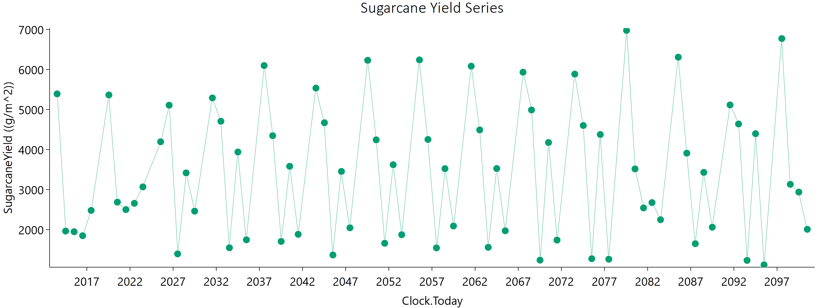
Current | 1 | Sugarcane | 1 | Field | 2017-07-01 | 2479.87 | 1279.83 | 3584.5372951 | 0
Current | 1 | Sugarcane | 1 | Field | 2019-07-22 | 5364.56 | 2968.96 | 6000 | 0
Current | 1 | Sugarcane | 1 | Field | 2020-07-16 | 2686.3 | 1321.99 | 4088.7737796 | 0
Current | 1 | Sugarcane | 1 | Field | 2021-07-11 | 2500.95 | 1218.98 | 3827.0968198 | 0
Current | 1 | Sugarcane | 1 | Field | 2022-07-06 | 2657.59 | 1256.09 | 4184.0215314 | 0
Current | 1 | Sugarcane | 1 | Field | 2023-07-01 | 3067.85 | 1803.05 | 3780.097636 | 0
Current | 1 | Sugarcane | 1 | Field | 2025-07-21 | 4194.77 | 2716.29 | 4435.4136523 | 0
Current | 1 | Sugarcane | 1 | Field | 2026-07-16 | 5108.44 | 2831.82 | 6000 | 0
Current | 1 | Sugarcane | 1 | Field | 2027-07-11 | 1393.91 | 603.2 | 2359.1181192 | 0
Current | 1 | Sugarcane | 1 | Field | 2028-07-05 | 3417.4 | 1988.81 | 4268.5464032 | 0
Current | 1 | Sugarcane | 1 | Field | 2029-06-30 | 2461.95 | 1320.43 | 3408.6427924 | 0
Current | 1 | Sugarcane | 1 | Field | 2031-07-22 | 5289.99 | 3369.41 | 5761.7644616 | 0
Current | 1 | Sugarcane | 1 | Field | 2032-07-16 | 4707.59 | 2645.06 | 6000 | 0
Current | 1 | Sugarcane | 1 | Field | 2033-07-11 | 1547.75 | 730.88 | 2441.7627521 | 0
Current | 1 | Sugarcane | 1 | Field | 2034-07-06 | 3939.19 | 2290.01 | 4929.5655235 | 0
Current | 1 | Sugarcane | 1 | Field | 2035-07-01 | 1745.92 | 740.2 | 2993.1959885 | 0
Current | 1 | Sugarcane | 1 | Field | 2037-07-21 | 6098.65 | 3740.04 | 6000 | 0
Current | 1 | Sugarcane | 1 | Field | 2038-07-16 | 4346.61 | 2366.87 | 5917.5915051 | 0
Current | 1 | Sugarcane | 1 | Field | 2039-07-11 | 1705.1 | 806.26 | 2685.9259496 | 0
Current | 1 | Sugarcane | 1 | Field | 2040-07-05 | 3581.87 | 2139.86 | 4309.7153491 | 0
Current | 1 | Sugarcane | 1 | Field | 2041-06-30 | 1883.03 | 824.91 | 3151.3529698 | 0
Current | 1 | Sugarcane | 1 | Field | 2043-07-22 | 5535.67 | 3528.64 | 6000 | 0
Current | 1 | Sugarcane | 1 | Field | 2044-07-16 | 4670.44 | 2657.37 | 6000 | 0
Current | 1 | Sugarcane | 1 | Field | 2045-07-11 | 1366.73 | 558.1 | 2407.8894195 | 0
Current | 1 | Sugarcane | 1 | Field | 2046-07-06 | 3453.94 | 2044.96 | 4209.2406989 | 0
Current | 1 | Sugarcane | 1 | Field | 2047-07-01 | 2045.63 | 890.19 | 3444.3798355 | 0
Current | 1 | Sugarcane | 1 | Field | 2049-07-21 | 6229.87 | 3808.14 | 6000 | 0
Current | 1 | Sugarcane | 1 | Field | 2050-07-16 | 4243.53 | 2428.26 | 5428.8738003 | 0
Current | 1 | Sugarcane | 1 | Field | 2051-07-11 | 1659.73 | 721.32 | 2798.0762378 | 0
Current | 1 | Sugarcane | 1 | Field | 2052-07-05 | 3621.25 | 2132.53 | 4447.6883777 | 0
Current | 1 | Sugarcane | 1 | Field | 2053-06-30 | 1873.8 | 923.82 | 2829.9753219 | 0
Current | 1 | Sugarcane | 1 | Field | 2055-07-22 | 6240.42 | 3833.38 | 6000 | 0
Current | 1 | Sugarcane | 1 | Field | 2056-07-16 | 4253 | 2377.5 | 5607.8674953 | 0
Current | 1 | Sugarcane | 1 | Field | 2057-07-11 | 1544.08 | 626.12 | 2731.2981102 | 0
Current | 1 | Sugarcane | 1 | Field | 2058-07-06 | 3523.59 | 2116.38 | 4206.6500377 | 0
Current | 1 | Sugarcane | 1 | Field | 2059-07-01 | 2090.98 | 982.99 | 3300.8097973 | 0
Current | 1 | Sugarcane | 1 | Field | 2061-07-21 | 6083.28 | 3707.92 | 6000 | 0
Current | 1 | Sugarcane | 1 | Field | 2062-07-16 | 4490.94 | 2500.24 | 5954.017402 | 0
Current | 1 | Sugarcane | 1 | Field | 2063-07-11 | 1557.76 | 703.2 | 2550.0377522 | 0
Current | 1 | Sugarcane | 1 | Field | 2064-07-05 | 3525.84 | 2092.14 | 4282.474921 | 0
Current | 1 | Sugarcane | 1 | Field | 2065-06-30 | 1971.3 | 910.37 | 3162.2203164 | 0
Current | 1 | Sugarcane | 1 | Field | 2067-07-22 | 5932.89 | 3707.66 | 6000 | 0
Current | 1 | Sugarcane | 1 | Field | 2068-07-16 | 4989.29 | 2688 | 6000 | 0
Current | 1 | Sugarcane | 1 | Field | 2069-07-12 | 1238.08 | 599.73 | 1908.4267138 | 0
Current | 1 | Sugarcane | 1 | Field | 2070-07-07 | 4176.14 | 2399.41 | 5304.397167 | 0
Current | 1 | Sugarcane | 1 | Field | 2071-07-02 | 1739.41 | 800.78 | 2799.2027655 | 0
Current | 1 | Sugarcane | 1 | Field | 2073-07-22 | 5884.94 | 3617.59 | 6000 | 0
Current | 1 | Sugarcane | 1 | Field | 2074-07-17 | 4601.89 | 2632.93 | 5889.8984146 | 0
Current | 1 | Sugarcane | 1 | Field | 2075-07-12 | 1273.7 | 508.67 | 2274.1358846 | 0
Current | 1 | Sugarcane | 1 | Field | 2076-07-06 | 4376.41 | 2402.81 | 5899.0984559 | 0
Current | 1 | Sugarcane | 1 | Field | 2077-07-01 | 1261.47 | 564.2 | 2073.1656288 | 0
Current | 1 | Sugarcane | 1 | Field | 2079-07-22 | 6976.14 | 4129.37 | 6000 | 0
Current | 1 | Sugarcane | 1 | Field | 2080-07-16 | 3517.19 | 1737.65 | 5312.8760479 | 0
Current | 1 | Sugarcane | 1 | Field | 2081-07-11 | 2542.92 | 1459.17 | 3236.6020294 | 0
Current | 1 | Sugarcane | 1 | Field | 2082-07-06 | 2675.28 | 1486.43 | 3545.5935066 | 0
Current | 1 | Sugarcane | 1 | Field | 2083-07-01 | 2248.81 | 1128.36 | 3329.7079746 | 0
Current | 1 | Sugarcane | 1 | Field | 2085-07-21 | 6307.74 | 3644.99 | 6000 | 0
Current | 1 | Sugarcane | 1 | Field | 2086-07-16 | 3910.37 | 2172.45 | 5186.1160556 | 0
Current | 1 | Sugarcane | 1 | Field | 2087-07-11 | 1648.66 | 791.84 | 2559.7024952 | 0
Current | 1 | Sugarcane | 1 | Field | 2088-07-05 | 3429.4 | 1994.63 | 4285.9012669 | 0
Current | 1 | Sugarcane | 1 | Field | 2089-06-30 | 2060.67 | 918.89 | 3402.5377877 | 0
Current | 1 | Sugarcane | 1 | Field | 2091-07-22 | 5114.73 | 3089.43 | 6000 | 0
Current | 1 | Sugarcane | 1 | Field | 2092-07-16 | 4639.57 | 2556.69 | 6000 | 0
Current | 1 | Sugarcane | 1 | Field | 2093-07-11 | 1231.77 | 502.29 | 2168.2257355 | 0
Current | 1 | Sugarcane | 1 | Field | 2094-07-06 | 4396.58 | 2372.69 | 6000 | 0
Current | 1 | Sugarcane | 1 | Field | 2095-07-01 | 1120.44 | 462.71 | 1949.3885717 | 0
Current | 1 | Sugarcane | 1 | Field | 2097-07-21 | 6773.03 | 3752.66 | 6000 | 0
Current | 1 | Sugarcane | 1 | Field | 2098-07-16 | 3131.62 | 1412.97 | 5118.7740593 | 0
Current | 1 | Sugarcane | 1 | Field | 2099-07-11 | 2938.07 | 1768.03 | 3501.0559016 | 0
Current | 1 | Sugarcane | 1 | Field | 2100-07-06 | 2008.35 | 898.35 | 3298.8958081 | 0

September
CheckpointName | CheckpointID | SimulationName | SimulationID | Zone | Clock.Today | SugarcaneYield | Sugarcane.sucrose_wt | Sugarcane.height | Sugarcane.WaterDemand
Current | 1 | Sugarcane | 1 | Field | 2013-08-21 | 5003.52 | 2713.91 | 6000 | 0 | yield = stem | 279237.45 | g/m^2
Current | 1 | Sugarcane | 1 | Field | 2014-08-16 | 2240.12 | 977.42 | 3772.5646899 | 0 | sucrose weight | 155432.61 | g/m^2
Current | 1 | Sugarcane | 1 | Field | 2015-08-11 | 1967.13 | 906.24 | 3178.9999618 | 0 | height | 341418.33694 | mm
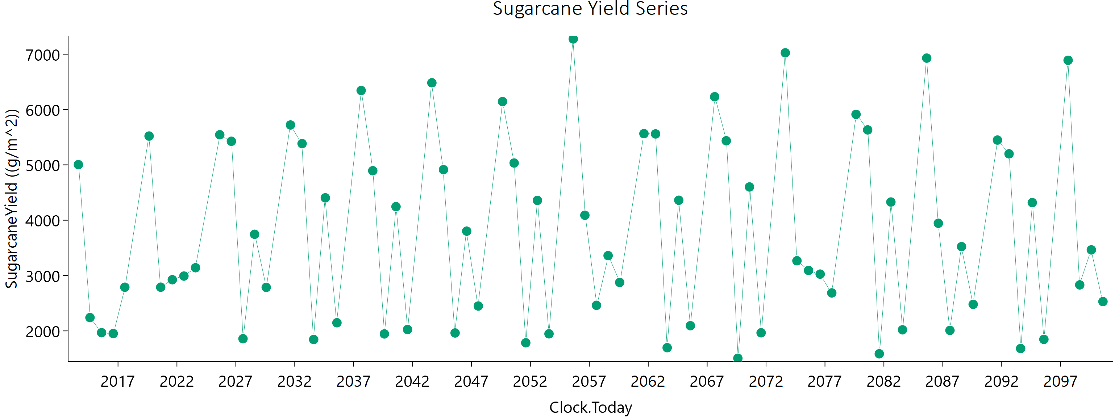
Current | 1 | Sugarcane | 1 | Field | 2016-08-05 | 1951.68 | 870.35 | 3238.6464827 | 0 | water demand | 0 | mm
Current | 1 | Sugarcane | 1 | Field | 2017-07-31 | 2788.59 | 1380.66 | 4199.3385553 | 0
Current | 1 | Sugarcane | 1 | Field | 2019-08-22 | 5519.76 | 2941.26 | 6000 | 0
Current | 1 | Sugarcane | 1 | Field | 2020-08-16 | 2789.3 | 1356.41 | 4275.0875445 | 0
Current | 1 | Sugarcane | 1 | Field | 2021-08-11 | 2924.18 | 1492.27 | 4277.0169073 | 0
Current | 1 | Sugarcane | 1 | Field | 2022-08-06 | 2991.44 | 1445.28 | 4624.6488051 | 0
Current | 1 | Sugarcane | 1 | Field | 2023-08-01 | 3140.22 | 1795.9 | 4021.7656667 | 0
Current | 1 | Sugarcane | 1 | Field | 2025-08-21 | 5543.66 | 3593.43 | 5850.6967223 | 0
Current | 1 | Sugarcane | 1 | Field | 2026-08-16 | 5426.46 | 2997.81 | 6000 | 0
Current | 1 | Sugarcane | 1 | Field | 2027-08-11 | 1859.08 | 877.8 | 2936.0921393 | 0
Current | 1 | Sugarcane | 1 | Field | 2028-08-05 | 3746 | 2157.17 | 4752.8524929 | 0
Current | 1 | Sugarcane | 1 | Field | 2029-07-31 | 2785.94 | 1529.87 | 3753.8841578 | 0
Current | 1 | Sugarcane | 1 | Field | 2031-08-22 | 5720.69 | 3709.94 | 6000 | 0
Current | 1 | Sugarcane | 1 | Field | 2032-08-16 | 5384.26 | 2924.01 | 6000 | 0
Current | 1 | Sugarcane | 1 | Field | 2033-08-11 | 1844.31 | 887.3 | 2862.0147442 | 0
Current | 1 | Sugarcane | 1 | Field | 2034-08-06 | 4404.22 | 2505.57 | 5680.8472488 | 0
Current | 1 | Sugarcane | 1 | Field | 2035-08-01 | 2147.15 | 986.16 | 3469.2082964 | 0
Current | 1 | Sugarcane | 1 | Field | 2037-08-21 | 6343.58 | 4007.62 | 6000 | 0
Current | 1 | Sugarcane | 1 | Field | 2038-08-16 | 4893.91 | 2664.97 | 6000 | 0
Current | 1 | Sugarcane | 1 | Field | 2039-08-11 | 1945.08 | 945.26 | 2989.9610785 | 0
Current | 1 | Sugarcane | 1 | Field | 2040-08-05 | 4244.76 | 2489.88 | 5252.5115392 | 0
Current | 1 | Sugarcane | 1 | Field | 2041-07-31 | 2025.06 | 900.26 | 3361.289966 | 0
Current | 1 | Sugarcane | 1 | Field | 2043-08-22 | 6482.81 | 4123.53 | 6000 | 0
Current | 1 | Sugarcane | 1 | Field | 2044-08-16 | 4912.53 | 2847.16 | 6000 | 0
Current | 1 | Sugarcane | 1 | Field | 2045-08-11 | 1962.45 | 947.08 | 3035.755838 | 0
Current | 1 | Sugarcane | 1 | Field | 2046-08-06 | 3802.02 | 2201.49 | 4788.8318062 | 0
Current | 1 | Sugarcane | 1 | Field | 2047-08-01 | 2449.53 | 1153.6 | 3869.5079689 | 0
Current | 1 | Sugarcane | 1 | Field | 2049-08-21 | 6143.39 | 3873.73 | 6000 | 0
Current | 1 | Sugarcane | 1 | Field | 2050-08-16 | 5033.36 | 2838.08 | 6000 | 0
Current | 1 | Sugarcane | 1 | Field | 2051-08-11 | 1784.59 | 858.58 | 2769.7444705 | 0
Current | 1 | Sugarcane | 1 | Field | 2052-08-05 | 4357.82 | 2476.9 | 5627.7480822 | 0
Current | 1 | Sugarcane | 1 | Field | 2053-07-31 | 1946.74 | 1019.93 | 2767.7994837 | 0
Current | 1 | Sugarcane | 1 | Field | 2055-08-22 | 7275.04 | 4397.71 | 6000 | 0
Current | 1 | Sugarcane | 1 | Field | 2056-08-16 | 4089 | 2297.99 | 5353.3906421 | 0
Current | 1 | Sugarcane | 1 | Field | 2057-08-11 | 2462.09 | 1230.04 | 3684.2120312 | 0
Current | 1 | Sugarcane | 1 | Field | 2058-08-06 | 3360.12 | 1962.66 | 4181.4702722 | 0
Current | 1 | Sugarcane | 1 | Field | 2059-08-01 | 2875.23 | 1568.5 | 3902.9093483 | 0
Current | 1 | Sugarcane | 1 | Field | 2061-08-21 | 5564.16 | 3500.57 | 6000 | 0
Current | 1 | Sugarcane | 1 | Field | 2062-08-16 | 5558.9 | 2968.91 | 6000 | 0
Current | 1 | Sugarcane | 1 | Field | 2063-08-11 | 1696.28 | 829.64 | 2591.0401895 | 0
Current | 1 | Sugarcane | 1 | Field | 2064-08-05 | 4360.4 | 2501.7 | 5561.3858481 | 0
Current | 1 | Sugarcane | 1 | Field | 2065-07-31 | 2092.91 | 942.23 | 3438.6797709 | 0
Current | 1 | Sugarcane | 1 | Field | 2067-08-22 | 6230.58 | 3910.65 | 6000 | 0
Current | 1 | Sugarcane | 1 | Field | 2068-08-16 | 5435.05 | 2926.1 | 6000 | 0
Current | 1 | Sugarcane | 1 | Field | 2069-08-11 | 1504.55 | 810.99 | 2068.5032914 | 0
Current | 1 | Sugarcane | 1 | Field | 2070-08-06 | 4600.59 | 2635.31 | 5880.0430606 | 0
Current | 1 | Sugarcane | 1 | Field | 2071-08-01 | 1965.73 | 970.1 | 2977.0197857 | 0
Current | 1 | Sugarcane | 1 | Field | 2073-08-21 | 7024.07 | 4243.8 | 6000 | 0
Current | 1 | Sugarcane | 1 | Field | 2074-08-16 | 3267.59 | 1757.68 | 4514.3885187 | 0
Current | 1 | Sugarcane | 1 | Field | 2075-08-11 | 3092.12 | 1763.02 | 3975.3550112 | 0
Current | 1 | Sugarcane | 1 | Field | 2076-08-05 | 3025.03 | 1642.18 | 4129.0647803 | 0
Current | 1 | Sugarcane | 1 | Field | 2077-07-31 | 2685.95 | 1491.95 | 3562.9724704 | 0
Current | 1 | Sugarcane | 1 | Field | 2079-08-22 | 5912.24 | 3656.63 | 6000 | 0
Current | 1 | Sugarcane | 1 | Field | 2080-08-16 | 5631.11 | 3088.68 | 6000 | 0
Current | 1 | Sugarcane | 1 | Field | 2081-08-11 | 1586.31 | 857.75 | 2173.5914195 | 0
Current | 1 | Sugarcane | 1 | Field | 2082-08-06 | 4328.55 | 2494.09 | 5490.2331691 | 0
Current | 1 | Sugarcane | 1 | Field | 2083-08-01 | 2019.13 | 907.31 | 3319.9255583 | 0
Current | 1 | Sugarcane | 1 | Field | 2085-08-21 | 6928.77 | 4016.11 | 6000 | 0
Current | 1 | Sugarcane | 1 | Field | 2086-08-16 | 3944.8 | 2179.35 | 5279.1969187 | 0
Current | 1 | Sugarcane | 1 | Field | 2087-08-11 | 2008.6 | 1032.45 | 2919.4290117 | 0
Current | 1 | Sugarcane | 1 | Field | 2088-08-05 | 3521.42 | 1921.16 | 4787.4641007 | 0
Current | 1 | Sugarcane | 1 | Field | 2089-07-31 | 2479.15 | 1234.18 | 3718.2556002 | 0
Current | 1 | Sugarcane | 1 | Field | 2091-08-22 | 5447.84 | 3293.15 | 6000 | 0
Current | 1 | Sugarcane | 1 | Field | 2092-08-16 | 5199.25 | 2829.13 | 6000 | 0
Current | 1 | Sugarcane | 1 | Field | 2093-08-11 | 1681.31 | 773.03 | 2711.9266679 | 0
Current | 1 | Sugarcane | 1 | Field | 2094-08-06 | 4317.91 | 2375.98 | 5806.6490153 | 0
Current | 1 | Sugarcane | 1 | Field | 2095-08-01 | 1846.68 | 814.08 | 3081.7958212 | 0
Current | 1 | Sugarcane | 1 | Field | 2097-08-21 | 6889.17 | 3725.09 | 6000 | 0
Current | 1 | Sugarcane | 1 | Field | 2098-08-16 | 2830.78 | 1285.99 | 4602.2530124 | 0
Current | 1 | Sugarcane | 1 | Field | 2099-08-11 | 3464.18 | 2049.05 | 4238.2821962 | 0
Current | 1 | Sugarcane | 1 | Field | 2100-08-06 | 2529.52 | 1150.84 | 4112.0847823 | 0

October
CheckpointName | CheckpointID | SimulationName | SimulationID | Zone | Clock.Today | SugarcaneYield | Sugarcane.sucrose_wt | Sugarcane.height | Sugarcane.WaterDemand
Current | 1 | Sugarcane | 1 | Field | 2013-09-20 | 5159.05 | 2979.03 | 6000 | 0 | yield = stem | 301832.64 | g/m^2
Current | 1 | Sugarcane | 1 | Field | 2014-09-16 | 2386.36 | 1058.55 | 3969.8879039 | 0 | sucrose weight | 175518.04 | g/m^2
Current | 1 | Sugarcane | 1 | Field | 2015-09-11 | 2019.69 | 1015.79 | 2999.0117283 | 0 | height | 346914.48692 | mm
Current | 1 | Sugarcane | 1 | Field | 2016-09-05 | 1958.04 | 945.22 | 3018.4741728 | 0 | water demand | 0 | mm
Current | 1 | Sugarcane | 1 | Field | 2017-08-31 | 3142.35 | 1593.6 | 4631.3013469 | 0
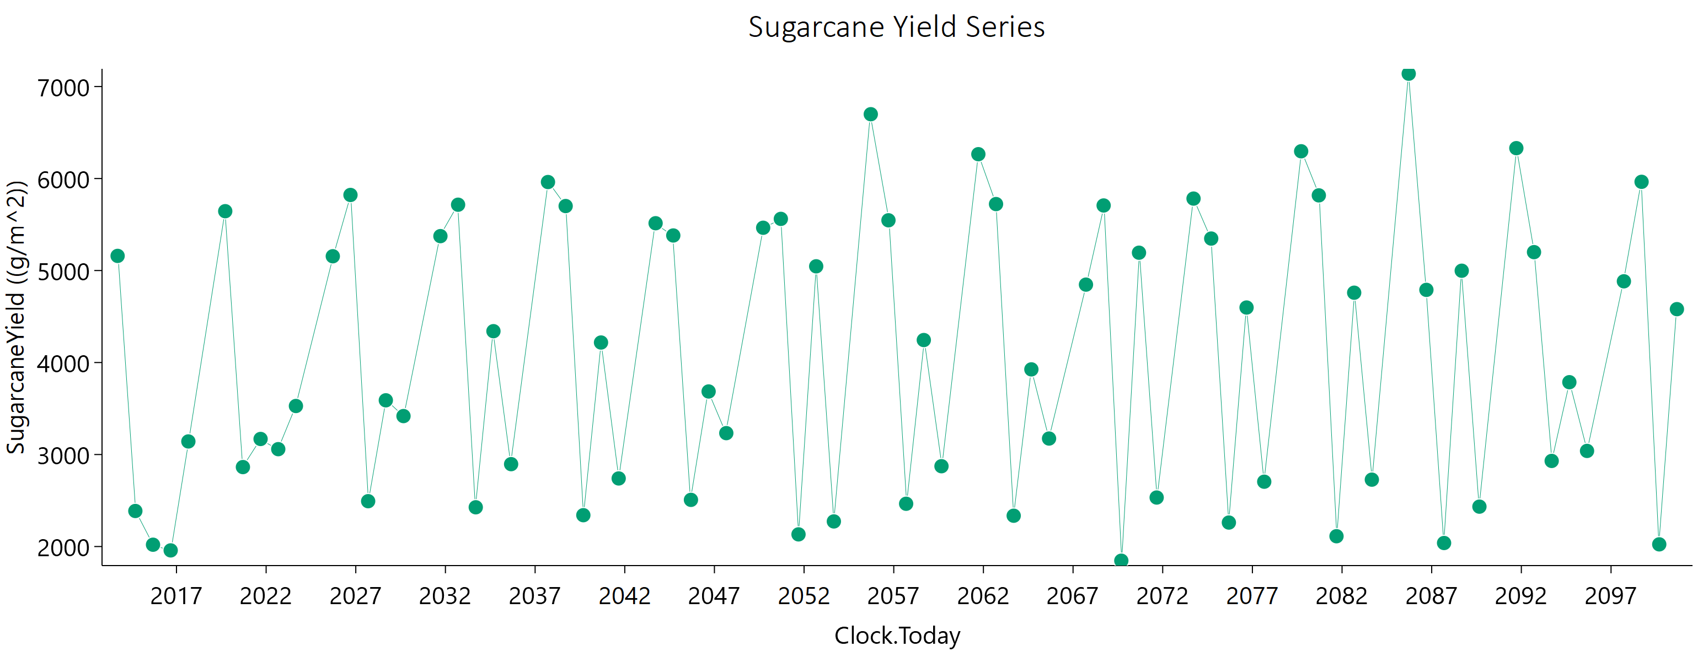
Current | 1 | Sugarcane | 1 | Field | 2019-09-21 | 5645.05 | 3037.78 | 6000 | 0
Current | 1 | Sugarcane | 1 | Field | 2020-09-15 | 2863.58 | 1414.46 | 4320.2736657 | 0
Current | 1 | Sugarcane | 1 | Field | 2021-09-10 | 3169.09 | 1681.37 | 4448.4760645 | 0
Current | 1 | Sugarcane | 1 | Field | 2022-09-05 | 3058.41 | 1617.26 | 4308.445083 | 0
Current | 1 | Sugarcane | 1 | Field | 2023-08-31 | 3527.48 | 2084.86 | 4316.612096 | 0
Current | 1 | Sugarcane | 1 | Field | 2025-09-20 | 5155.23 | 3382.1 | 5319.3891585 | 0
Current | 1 | Sugarcane | 1 | Field | 2026-09-15 | 5821.43 | 3235.92 | 6000 | 0
Current | 1 | Sugarcane | 1 | Field | 2027-09-10 | 2492.81 | 1502.74 | 2965.076634 | 0
Current | 1 | Sugarcane | 1 | Field | 2028-09-04 | 3589.42 | 2113.6 | 4417.2790585 | 0
Current | 1 | Sugarcane | 1 | Field | 2029-08-30 | 3417.98 | 2032.96 | 4144.1373926 | 0
Current | 1 | Sugarcane | 1 | Field | 2031-09-21 | 5373.93 | 3484.34 | 5668.7909264 | 0
Current | 1 | Sugarcane | 1 | Field | 2032-09-15 | 5715.42 | 3271.93 | 6000 | 0
Current | 1 | Sugarcane | 1 | Field | 2033-09-10 | 2426.55 | 1472.43 | 2857.6213263 | 0
Current | 1 | Sugarcane | 1 | Field | 2034-09-05 | 4340.76 | 2592.91 | 5230.6784354 | 0
Current | 1 | Sugarcane | 1 | Field | 2035-08-31 | 2895.49 | 1673.42 | 3655.1219784 | 0
Current | 1 | Sugarcane | 1 | Field | 2037-09-20 | 5961.94 | 3842.62 | 6000 | 0
Current | 1 | Sugarcane | 1 | Field | 2038-09-15 | 5700.81 | 3112.67 | 6000 | 0
Current | 1 | Sugarcane | 1 | Field | 2039-09-10 | 2340.7 | 1389.89 | 2848.16347 | 0
Current | 1 | Sugarcane | 1 | Field | 2040-09-04 | 4217.58 | 2550.92 | 4989.1907062 | 0
Current | 1 | Sugarcane | 1 | Field | 2041-08-30 | 2740.11 | 1580.62 | 3465.9836141 | 0
Current | 1 | Sugarcane | 1 | Field | 2043-09-21 | 5514.15 | 3532.19 | 5945.8711088 | 0
Current | 1 | Sugarcane | 1 | Field | 2044-09-15 | 5381.09 | 3126.51 | 6000 | 0
Current | 1 | Sugarcane | 1 | Field | 2045-09-10 | 2507.29 | 1500.11 | 3016.5720566 | 0
Current | 1 | Sugarcane | 1 | Field | 2046-09-05 | 3685.44 | 2178.84 | 4508.7380046 | 0
Current | 1 | Sugarcane | 1 | Field | 2047-08-31 | 3232.62 | 1879.89 | 4044.2883863 | 0
Current | 1 | Sugarcane | 1 | Field | 2049-09-20 | 5464.97 | 3552.27 | 5738.0860701 | 0
Current | 1 | Sugarcane | 1 | Field | 2050-09-15 | 5561.41 | 3248.2 | 6000 | 0
Current | 1 | Sugarcane | 1 | Field | 2051-09-10 | 2132.11 | 1268.17 | 2583.9263183 | 0
Current | 1 | Sugarcane | 1 | Field | 2052-09-04 | 5045.92 | 2917.73 | 6000 | 0
Current | 1 | Sugarcane | 1 | Field | 2053-08-30 | 2272.83 | 1296.27 | 2916.9304601 | 0
Current | 1 | Sugarcane | 1 | Field | 2055-09-21 | 6699.13 | 4192.96 | 6000 | 0
Current | 1 | Sugarcane | 1 | Field | 2056-09-15 | 5546.08 | 3121.23 | 6000 | 0
Current | 1 | Sugarcane | 1 | Field | 2057-09-10 | 2464.92 | 1455.99 | 3020.6747076 | 0
Current | 1 | Sugarcane | 1 | Field | 2058-09-05 | 4244.41 | 2551.82 | 5065.468785 | 0
Current | 1 | Sugarcane | 1 | Field | 2059-08-31 | 2873.05 | 1672.52 | 3592.0111051 | 0
Current | 1 | Sugarcane | 1 | Field | 2061-09-20 | 6264.61 | 3976.31 | 6000 | 0
Current | 1 | Sugarcane | 1 | Field | 2062-09-15 | 5722.43 | 3114.31 | 6000 | 0
Current | 1 | Sugarcane | 1 | Field | 2063-09-10 | 2334.88 | 1393.7 | 2819.1258824 | 0
Current | 1 | Sugarcane | 1 | Field | 2064-09-04 | 3925.63 | 2335.54 | 4757.7233547 | 0
Current | 1 | Sugarcane | 1 | Field | 2065-08-30 | 3173.84 | 1811.03 | 4073.561489 | 0
Current | 1 | Sugarcane | 1 | Field | 2067-09-21 | 4846.84 | 3053.9 | 5378.8219629 | 0
Current | 1 | Sugarcane | 1 | Field | 2068-09-15 | 5707.22 | 2738.23 | 6000 | 0
Current | 1 | Sugarcane | 1 | Field | 2069-09-10 | 1845.84 | 1089.33 | 2259.9409349 | 0
Current | 1 | Sugarcane | 1 | Field | 2070-09-05 | 5193.77 | 3008.04 | 6000 | 0
Current | 1 | Sugarcane | 1 | Field | 2071-08-31 | 2532.62 | 1432.75 | 3289.1209984 | 0
Current | 1 | Sugarcane | 1 | Field | 2073-09-20 | 5782.02 | 3641.72 | 6000 | 0
Current | 1 | Sugarcane | 1 | Field | 2074-09-15 | 5347.6 | 2891.89 | 6000 | 0
Current | 1 | Sugarcane | 1 | Field | 2075-09-10 | 2260.57 | 1292.12 | 2901.0049913 | 0
Current | 1 | Sugarcane | 1 | Field | 2076-09-04 | 4597.88 | 2660.98 | 5796.1759678 | 0
Current | 1 | Sugarcane | 1 | Field | 2077-08-30 | 2704.59 | 1508.77 | 3575.4974834 | 0
Current | 1 | Sugarcane | 1 | Field | 2079-09-21 | 6296.39 | 3973.15 | 6000 | 0
Current | 1 | Sugarcane | 1 | Field | 2080-09-15 | 5817.03 | 3083.47 | 6000 | 0
Current | 1 | Sugarcane | 1 | Field | 2081-09-10 | 2112 | 1237.22 | 2612.7909018 | 0
Current | 1 | Sugarcane | 1 | Field | 2082-09-05 | 4758.98 | 2785.33 | 5908.6487641 | 0
Current | 1 | Sugarcane | 1 | Field | 2083-08-31 | 2726.89 | 1536.32 | 3558.6651887 | 0
Current | 1 | Sugarcane | 1 | Field | 2085-09-20 | 7139.39 | 4276.78 | 6000 | 0
Current | 1 | Sugarcane | 1 | Field | 2086-09-15 | 4789.82 | 2872.66 | 5737.9636634 | 0
Current | 1 | Sugarcane | 1 | Field | 2087-09-10 | 2038.32 | 1164.62 | 2611.7959637 | 0
Current | 1 | Sugarcane | 1 | Field | 2088-09-04 | 4997.86 | 2926.17 | 6000 | 0
Current | 1 | Sugarcane | 1 | Field | 2089-08-30 | 2433.6 | 1310.77 | 3355.4249381 | 0
Current | 1 | Sugarcane | 1 | Field | 2091-09-21 | 6330.25 | 3698 | 6000 | 0
Current | 1 | Sugarcane | 1 | Field | 2092-09-15 | 5200.03 | 2902.81 | 6000 | 0
Current | 1 | Sugarcane | 1 | Field | 2093-09-10 | 2930.41 | 1711.07 | 3645.4037483 | 0
Current | 1 | Sugarcane | 1 | Field | 2094-09-05 | 3786.27 | 2162.26 | 4859.2354137 | 0
Current | 1 | Sugarcane | 1 | Field | 2095-08-31 | 3039.23 | 1694.08 | 4021.3298258 | 0
Current | 1 | Sugarcane | 1 | Field | 2097-09-20 | 4882.97 | 3078.92 | 5412.1346017 | 0
Current | 1 | Sugarcane | 1 | Field | 2098-09-15 | 5964.28 | 3172.59 | 6000 | 0
Current | 1 | Sugarcane | 1 | Field | 2099-09-10 | 2023.67 | 1126.48 | 2688.0599951 | 0
Current | 1 | Sugarcane | 1 | Field | 2100-09-05 | 4580.23 | 2695.03 | 5645.579083 | 0

November
CheckpointName | CheckpointID | SimulationName | SimulationID | Zone | Clock.Today | SugarcaneYield | Sugarcane.sucrose_wt | Sugarcane.height | Sugarcane.WaterDemand
Current | 1 | Sugarcane | 1 | Field | 2013-10-21 | 5339.77 | 2937.16 | 6000 | 0 | yield = stem | 298714.78 | g/m^2
Current | 1 | Sugarcane | 1 | Field | 2014-10-16 | 2800.73 | 1375.52 | 4263.8809286 | 0 | sucrose weight | 179064.87 | g/m^2
Current | 1 | Sugarcane | 1 | Field | 2015-10-11 | 2240.14 | 1108.9 | 3385.2528647 | 0 | height | 352873.34853 | mm
Current | 1 | Sugarcane | 1 | Field | 2016-10-05 | 1930.11 | 957.7 | 2898.8064379 | 0 | water demand | 0 | mm
Current | 1 | Sugarcane | 1 | Field | 2017-09-30 | 3344.19 | 1729.91 | 4833.964107 | 0
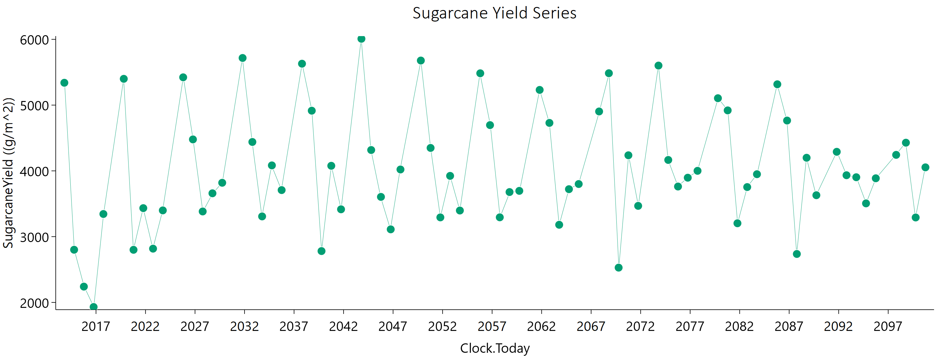
Current | 1 | Sugarcane | 1 | Field | 2019-10-22 | 5399.68 | 3193.05 | 6000 | 0
Current | 1 | Sugarcane | 1 | Field | 2020-10-16 | 2799.77 | 1334.84 | 4383.6956887 | 0
Current | 1 | Sugarcane | 1 | Field | 2021-10-11 | 3433.46 | 1757.32 | 5016.2423222 | 0
Current | 1 | Sugarcane | 1 | Field | 2022-10-06 | 2817.28 | 1525.51 | 3863.6931756 | 0
Current | 1 | Sugarcane | 1 | Field | 2023-10-01 | 3399.17 | 1955.1 | 4323.3770627 | 0
Current | 1 | Sugarcane | 1 | Field | 2025-10-21 | 5422.48 | 3553.41 | 5607.198884 | 0
Current | 1 | Sugarcane | 1 | Field | 2026-10-16 | 4478.46 | 2642.62 | 5497.9668714 | 0
Current | 1 | Sugarcane | 1 | Field | 2027-10-11 | 3382.78 | 2057.35 | 3969.8098134 | 0
Current | 1 | Sugarcane | 1 | Field | 2028-10-05 | 3658.97 | 2186.87 | 4407.317399 | 0
Current | 1 | Sugarcane | 1 | Field | 2029-09-30 | 3819.13 | 2333.63 | 4446.4817814 | 0
Current | 1 | Sugarcane | 1 | Field | 2031-10-22 | 5716.81 | 3586.48 | 6000 | 0
Current | 1 | Sugarcane | 1 | Field | 2032-10-16 | 4439.41 | 2620.93 | 5445.3703278 | 0
Current | 1 | Sugarcane | 1 | Field | 2033-10-11 | 3307.55 | 1990.1 | 3945.4060637 | 0
Current | 1 | Sugarcane | 1 | Field | 2034-10-06 | 4083.33 | 2456.81 | 4870.4425916 | 0
Current | 1 | Sugarcane | 1 | Field | 2035-10-01 | 3707.81 | 2261.29 | 4329.1717241 | 0
Current | 1 | Sugarcane | 1 | Field | 2037-10-21 | 5629.58 | 3654.93 | 5923.9344013 | 0
Current | 1 | Sugarcane | 1 | Field | 2038-10-16 | 4914.97 | 2828.48 | 6000 | 0
Current | 1 | Sugarcane | 1 | Field | 2039-10-11 | 2780.61 | 1654.43 | 3374.2068578 | 0
Current | 1 | Sugarcane | 1 | Field | 2040-10-05 | 4077.34 | 2443.47 | 4892.5404106 | 0
Current | 1 | Sugarcane | 1 | Field | 2041-09-30 | 3415.51 | 2112.59 | 3898.7028718 | 0
Current | 1 | Sugarcane | 1 | Field | 2043-10-22 | 6008.57 | 3868.86 | 6000 | 0
Current | 1 | Sugarcane | 1 | Field | 2044-10-16 | 4317.18 | 2585.93 | 5184.2048502 | 0
Current | 1 | Sugarcane | 1 | Field | 2045-10-11 | 3604.37 | 2195.51 | 4218.974668 | 0
Current | 1 | Sugarcane | 1 | Field | 2046-10-06 | 3110.88 | 1900.73 | 3623.5207174 | 0
Current | 1 | Sugarcane | 1 | Field | 2047-10-01 | 4021.23 | 2424.11 | 4780.3679555 | 0
Current | 1 | Sugarcane | 1 | Field | 2049-10-21 | 5677.73 | 3569.78 | 6000 | 0
Current | 1 | Sugarcane | 1 | Field | 2050-10-16 | 4348.88 | 2618.22 | 5183.4347315 | 0
Current | 1 | Sugarcane | 1 | Field | 2051-10-11 | 3292.75 | 2015.51 | 3825.2091769 | 0
Current | 1 | Sugarcane | 1 | Field | 2052-10-05 | 3923.9 | 2371.05 | 4649.5233173 | 0
Current | 1 | Sugarcane | 1 | Field | 2053-09-30 | 3397.02 | 2118.33 | 3826.6169882 | 0
Current | 1 | Sugarcane | 1 | Field | 2055-10-22 | 5483.81 | 3506.15 | 5932.9976578 | 0
Current | 1 | Sugarcane | 1 | Field | 2056-10-16 | 4695.99 | 2747.46 | 5834.5494487 | 0
Current | 1 | Sugarcane | 1 | Field | 2057-10-11 | 3293.68 | 2011.99 | 3837.6081399 | 0
Current | 1 | Sugarcane | 1 | Field | 2058-10-06 | 3677.98 | 2240.01 | 4305.9409006 | 0
Current | 1 | Sugarcane | 1 | Field | 2059-10-01 | 3696.08 | 2271.91 | 4263.9993118 | 0
Current | 1 | Sugarcane | 1 | Field | 2061-10-21 | 5231.07 | 3119.64 | 6000 | 0
Current | 1 | Sugarcane | 1 | Field | 2062-10-16 | 4729.37 | 2763.44 | 5886.4160275 | 0
Current | 1 | Sugarcane | 1 | Field | 2063-10-11 | 3180.36 | 1947.3 | 3693.1042426 | 0
Current | 1 | Sugarcane | 1 | Field | 2064-10-05 | 3721.59 | 2267.87 | 4353.5788697 | 0
Current | 1 | Sugarcane | 1 | Field | 2065-09-30 | 3800.02 | 2295.9 | 4502.1084077 | 0
Current | 1 | Sugarcane | 1 | Field | 2067-10-23 | 4903.38 | 2926.28 | 5931.28735 | 0
Current | 1 | Sugarcane | 1 | Field | 2068-10-17 | 5484.76 | 3069.68 | 6000 | 0
Current | 1 | Sugarcane | 1 | Field | 2069-10-12 | 2528.72 | 1600.61 | 2776.0792881 | 0
Current | 1 | Sugarcane | 1 | Field | 2070-10-07 | 4237.14 | 2562.92 | 5013.5665241 | 0
Current | 1 | Sugarcane | 1 | Field | 2071-10-02 | 3467.93 | 2132.03 | 4001.0774516 | 0
Current | 1 | Sugarcane | 1 | Field | 2073-10-21 | 5601.2 | 3424.45 | 6000 | 0
Current | 1 | Sugarcane | 1 | Field | 2074-10-16 | 4166 | 2486.16 | 5030.9512058 | 0
Current | 1 | Sugarcane | 1 | Field | 2075-10-11 | 3761.96 | 2294.8 | 4393.9240057 | 0
Current | 1 | Sugarcane | 1 | Field | 2076-10-05 | 3896.15 | 2384.01 | 4528.1604337 | 0
Current | 1 | Sugarcane | 1 | Field | 2077-09-30 | 4000.7 | 2456.28 | 4623.0572582 | 0
Current | 1 | Sugarcane | 1 | Field | 2079-10-22 | 5104.96 | 3079.06 | 6000 | 0
Current | 1 | Sugarcane | 1 | Field | 2080-10-16 | 4919.67 | 2889.72 | 6000 | 0
Current | 1 | Sugarcane | 1 | Field | 2081-10-11 | 3203.16 | 2007.63 | 3577.2245104 | 0
Current | 1 | Sugarcane | 1 | Field | 2082-10-06 | 3753.76 | 2279.47 | 4415.8247456 | 0
Current | 1 | Sugarcane | 1 | Field | 2083-10-01 | 3949.38 | 2405.82 | 4621.5996147 | 0
Current | 1 | Sugarcane | 1 | Field | 2085-10-21 | 5316.63 | 3357.37 | 5877.7968339 | 0
Current | 1 | Sugarcane | 1 | Field | 2086-10-16 | 4765.25 | 2840.8 | 5760.5907128 | 0
Current | 1 | Sugarcane | 1 | Field | 2087-10-11 | 2736.42 | 1703.26 | 3092.7480955 | 0
Current | 1 | Sugarcane | 1 | Field | 2088-10-05 | 4199.39 | 2528.94 | 5003.0322487 | 0
Current | 1 | Sugarcane | 1 | Field | 2089-09-30 | 3629.8 | 2212.45 | 4243.9534175 | 0
Current | 1 | Sugarcane | 1 | Field | 2091-10-22 | 4289.98 | 2579.8 | 5130.5362992 | 0
Current | 1 | Sugarcane | 1 | Field | 2092-10-16 | 3933.76 | 2279.34 | 4949.1863268 | 0
Current | 1 | Sugarcane | 1 | Field | 2093-10-11 | 3903.21 | 2379.02 | 4564.4864037 | 0
Current | 1 | Sugarcane | 1 | Field | 2094-10-06 | 3505.76 | 2162.57 | 4021.6672065 | 0
Current | 1 | Sugarcane | 1 | Field | 2095-10-01 | 3887.27 | 2356.98 | 4582.7284183 | 0
Current | 1 | Sugarcane | 1 | Field | 2097-10-21 | 4243.5 | 2652.02 | 4773.2104187 | 0
Current | 1 | Sugarcane | 1 | Field | 2098-10-16 | 4428.4 | 2401.65 | 6000 | 0
Current | 1 | Sugarcane | 1 | Field | 2099-10-11 | 3291.36 | 2019.18 | 3811.6097608 | 0
Current | 1 | Sugarcane | 1 | Field | 2100-10-06 | 4053.68 | 2494.47 | 4669.4320015 | 0

December
CheckpointName | CheckpointID | SimulationName | SimulationID | Zone | Clock.Today | SugarcaneYield | Sugarcane.sucrose_wt | Sugarcane.height | Sugarcane.WaterDemand
Current | 1 | Sugarcane | 1 | Field | 2013-11-20 | 5530.13 | 2904.12 | 6000 | 0 | yield = stem | 291982.04 | g/m^2
Current | 1 | Sugarcane | 1 | Field | 2014-11-15 | 3014.08 | 1571.13 | 4319.5123871 | 0 | sucrose weight | 171471.03 | g/m^2
Current | 1 | Sugarcane | 1 | Field | 2015-11-10 | 2576.29 | 1294.03 | 3832.7602247 | 0 | height | 356400.85554 | mm
Current | 1 | Sugarcane | 1 | Field | 2016-11-04 | 2138.5 | 985.26 | 3444.0082161 | 0 | water demand | 0 | mm
Current | 1 | Sugarcane | 1 | Field | 2017-10-30 | 3267.74 | 1682.94 | 4743.2442341 | 0
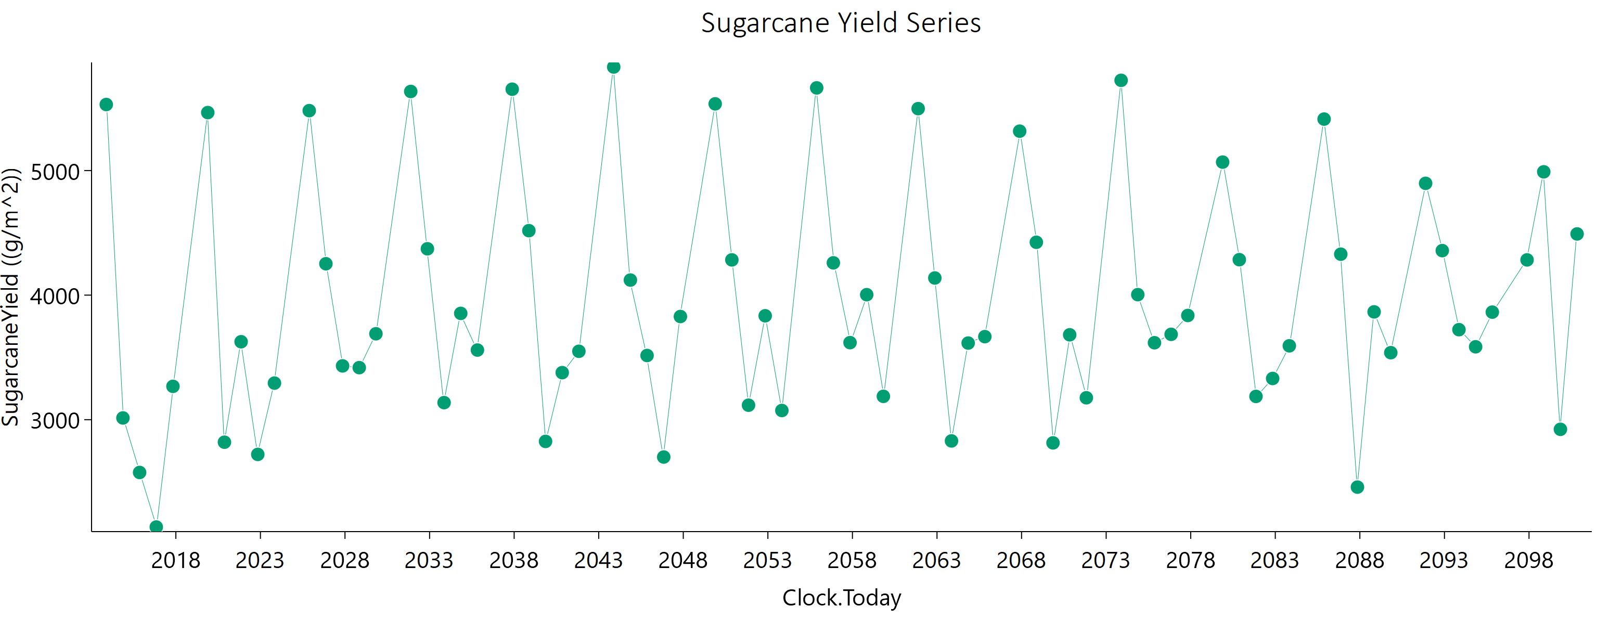
Current | 1 | Sugarcane | 1 | Field | 2019-11-21 | 5465.35 | 3311.5 | 6000 | 0
Current | 1 | Sugarcane | 1 | Field | 2020-11-15 | 2819.36 | 1295.5 | 4550.4143502 | 0
Current | 1 | Sugarcane | 1 | Field | 2021-11-10 | 3625.75 | 1763.7 | 5567.9047865 | 0
Current | 1 | Sugarcane | 1 | Field | 2022-11-05 | 2721.33 | 1491.05 | 3682.708498 | 0
Current | 1 | Sugarcane | 1 | Field | 2023-10-31 | 3293.73 | 1865.56 | 4277.8214444 | 0
Current | 1 | Sugarcane | 1 | Field | 2025-11-20 | 5481.08 | 3598.25 | 5648.4885422 | 0
Current | 1 | Sugarcane | 1 | Field | 2026-11-15 | 4251.85 | 2437.61 | 5435.0831032 | 0
Current | 1 | Sugarcane | 1 | Field | 2027-11-10 | 3431.96 | 2010.38 | 4259.0403626 | 0
Current | 1 | Sugarcane | 1 | Field | 2028-11-04 | 3417.98 | 1969.4 | 4339.6274067 | 0
Current | 1 | Sugarcane | 1 | Field | 2029-10-30 | 3689.78 | 2175.12 | 4537.2210456 | 0
Current | 1 | Sugarcane | 1 | Field | 2031-11-21 | 5634.91 | 3635.96 | 5996.8471103 | 0
Current | 1 | Sugarcane | 1 | Field | 2032-11-15 | 4371.96 | 2502.72 | 5599.5240538 | 0
Current | 1 | Sugarcane | 1 | Field | 2033-11-10 | 3137.02 | 1825.76 | 3928.2588649 | 0
Current | 1 | Sugarcane | 1 | Field | 2034-11-05 | 3853.46 | 2259.86 | 4774.5932112 | 0
Current | 1 | Sugarcane | 1 | Field | 2035-10-31 | 3559.04 | 2087.01 | 4408.3341535 | 0
Current | 1 | Sugarcane | 1 | Field | 2037-11-20 | 5652.98 | 3669.15 | 5951.4817967 | 0
Current | 1 | Sugarcane | 1 | Field | 2038-11-15 | 4517.49 | 2542.49 | 5915.3258892 | 0
Current | 1 | Sugarcane | 1 | Field | 2039-11-10 | 2825.72 | 1633.68 | 3571.7269581 | 0
Current | 1 | Sugarcane | 1 | Field | 2040-11-04 | 3377.78 | 1973.79 | 4205.7072441 | 0
Current | 1 | Sugarcane | 1 | Field | 2041-10-30 | 3549.16 | 2090.1 | 4369.4675213 | 0
Current | 1 | Sugarcane | 1 | Field | 2043-11-21 | 5831.16 | 3762.09 | 6000 | 0
Current | 1 | Sugarcane | 1 | Field | 2044-11-15 | 4120.9 | 2346.87 | 5314.6002055 | 0
Current | 1 | Sugarcane | 1 | Field | 2045-11-10 | 3515.41 | 2070.42 | 4329.758251 | 0
Current | 1 | Sugarcane | 1 | Field | 2046-11-05 | 2700.23 | 1608.41 | 3269.8245507 | 0
Current | 1 | Sugarcane | 1 | Field | 2047-10-31 | 3828.28 | 2246.38 | 4737.8954749 | 0
Current | 1 | Sugarcane | 1 | Field | 2049-11-20 | 5535.53 | 3585.07 | 5851.3793261 | 0
Current | 1 | Sugarcane | 1 | Field | 2050-11-15 | 4282.95 | 2477.4 | 5409.5109306 | 0
Current | 1 | Sugarcane | 1 | Field | 2051-11-10 | 3116.32 | 1835.19 | 3837.7402534 | 0
Current | 1 | Sugarcane | 1 | Field | 2052-11-04 | 3834.14 | 2253.61 | 4735.1670552 | 0
Current | 1 | Sugarcane | 1 | Field | 2053-10-30 | 3073.8 | 1850.08 | 3664.505925 | 0
Current | 1 | Sugarcane | 1 | Field | 2055-11-21 | 5663.66 | 3619.64 | 6000 | 0
Current | 1 | Sugarcane | 1 | Field | 2056-11-15 | 4259.16 | 2435.4 | 5464.1599938 | 0
Current | 1 | Sugarcane | 1 | Field | 2057-11-10 | 3618.61 | 2135.92 | 4441.3350271 | 0
Current | 1 | Sugarcane | 1 | Field | 2058-11-05 | 4003.58 | 2337.42 | 4991.10243 | 0
Current | 1 | Sugarcane | 1 | Field | 2059-10-31 | 3187.59 | 1871.16 | 3944.0821831 | 0
Current | 1 | Sugarcane | 1 | Field | 2061-11-20 | 5497.11 | 3505.06 | 5976.1608794 | 0
Current | 1 | Sugarcane | 1 | Field | 2062-11-15 | 4137.56 | 2339.4 | 5386.948293 | 0
Current | 1 | Sugarcane | 1 | Field | 2063-11-10 | 2829.62 | 1643.1 | 3555.200425 | 0
Current | 1 | Sugarcane | 1 | Field | 2064-11-04 | 3615.07 | 2106.91 | 4518.7529424 | 0
Current | 1 | Sugarcane | 1 | Field | 2065-10-30 | 3666.76 | 2147.4 | 4550.9359054 | 0
Current | 1 | Sugarcane | 1 | Field | 2067-11-21 | 5316.23 | 3331.49 | 5954.21938 | 0
Current | 1 | Sugarcane | 1 | Field | 2068-11-15 | 4424.29 | 2345.69 | 6000 | 0
Current | 1 | Sugarcane | 1 | Field | 2069-11-10 | 2813.88 | 1724.09 | 3262.9818465 | 0
Current | 1 | Sugarcane | 1 | Field | 2070-11-05 | 3681.53 | 2172.21 | 4522.8947754 | 0
Current | 1 | Sugarcane | 1 | Field | 2071-10-31 | 3176 | 1872.3 | 3905.9772756 | 0
Current | 1 | Sugarcane | 1 | Field | 2073-11-20 | 5724.41 | 3520.35 | 6000 | 0
Current | 1 | Sugarcane | 1 | Field | 2074-11-15 | 4003.93 | 2255.2 | 5238.1924151 | 0
Current | 1 | Sugarcane | 1 | Field | 2075-11-10 | 3617.72 | 2125.85 | 4470.5601797 | 0
Current | 1 | Sugarcane | 1 | Field | 2076-11-04 | 3685.23 | 2173.05 | 4530.2909053 | 0
Current | 1 | Sugarcane | 1 | Field | 2077-10-30 | 3836.65 | 2277.03 | 4671.8685124 | 0
Current | 1 | Sugarcane | 1 | Field | 2079-11-21 | 5067.86 | 3151.95 | 5747.7550323 | 0
Current | 1 | Sugarcane | 1 | Field | 2080-11-15 | 4284.57 | 2376.34 | 5716.4975329 | 0
Current | 1 | Sugarcane | 1 | Field | 2081-11-10 | 3186.88 | 1941.77 | 3728.896075 | 0
Current | 1 | Sugarcane | 1 | Field | 2082-11-05 | 3330.92 | 1939.95 | 4168.8382907 | 0
Current | 1 | Sugarcane | 1 | Field | 2083-10-31 | 3593.08 | 2125.79 | 4395.5999849 | 0
Current | 1 | Sugarcane | 1 | Field | 2085-11-20 | 5413.21 | 3350.5 | 6000 | 0
Current | 1 | Sugarcane | 1 | Field | 2086-11-15 | 4328.61 | 2477.85 | 5544.8545041 | 0
Current | 1 | Sugarcane | 1 | Field | 2087-11-10 | 2458.79 | 1468.45 | 2965.2288668 | 0
Current | 1 | Sugarcane | 1 | Field | 2088-11-04 | 3865.61 | 2258.85 | 4814.3648921 | 0
Current | 1 | Sugarcane | 1 | Field | 2089-10-30 | 3537.99 | 2122.15 | 4240.7078278 | 0
Current | 1 | Sugarcane | 1 | Field | 2091-11-21 | 4897.41 | 2925.73 | 5915.0450266 | 0
Current | 1 | Sugarcane | 1 | Field | 2092-11-15 | 4357.28 | 2525.19 | 5489.8280893 | 0
Current | 1 | Sugarcane | 1 | Field | 2093-11-10 | 3722.72 | 2204.73 | 4547.6126118 | 0
Current | 1 | Sugarcane | 1 | Field | 2094-11-05 | 3585.24 | 2123.71 | 4378.2343598 | 0
Current | 1 | Sugarcane | 1 | Field | 2095-10-31 | 3863.5 | 2319.51 | 4625.0621754 | 0
Current | 1 | Sugarcane | 1 | Field | 2097-11-20 | 4282.82 | 2543.66 | 5217.4744343 | 0
Current | 1 | Sugarcane | 1 | Field | 2098-11-15 | 4989.9 | 2657.84 | 6000 | 0
Current | 1 | Sugarcane | 1 | Field | 2099-11-10 | 2922.76 | 1747.31 | 3521.8356789 | 0
Current | 1 | Sugarcane | 1 | Field | 2100-11-05 | 4491.15 | 2659.49 | 5487.8734097 | 0

